LW
 |  |  |  |  |  |  |  |  |  |  |  |  |  |  |  |  | 4891 |  | €164,938.60 |  | €395,603.33
Photo | Brand | Gender | Macrocategory | Subcategory | Loc | Season | EAN | Product Code | SKU | Article name | Colour | Made In | Material Composition | SIZE | Size Country | Size EU | Qty | Whs | Tot WHS | RRP | Tot RRP
no photo | Lee | Women | Accessories | Hats | 80.00 | FW | 05401018026825 | 112141097 | 112141097-88 | LEE MASK BLUE INDIGO | Blue | Tunisia | 100% PIMA COTTON | 88 |  |  | 11 | €7.50 | €82.50 | €15.00 | €165.00
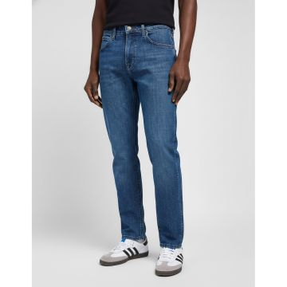 | Lee | Men | Clothing | Denim | 80.00 | SS | 05400852659381 | 112119578 | 112119578-29_30 | STRAIGHT FIT XM MADDOX, 32, 36, Made In: ID, Compo: 98% CO 2% EA, HS CODE: 6203423100 | Denim | BD | 100% OTHER FIBER | 29_30 |  |  | 121 | €28.50 | €3,448.50 | €75.00 | €9,075.00
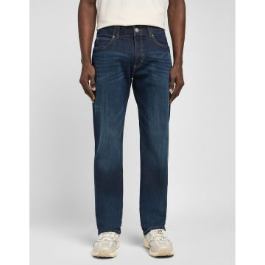 | Lee | Men | Clothing | Denim | 80.00 | SS | 05400852659862 | 112119581 | 112119581-29_30 | Lee Straight Fit Denim Jeans Dark Blue | Denim | Pakistan | 100% OTHER FIBER | 29_30 |  |  | 41 | €28.50 | €1,168.50 | €75.00 | €3,075.00
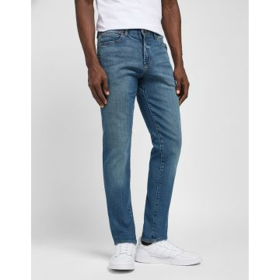 | Lee | Men | Clothing | Denim | 80.00 | SS | 05400919242334 | 112119588 | 112119588-29_30 | Skinny Fit XM BLUE PRODIGY | Denim | Pakistan | 100% PIMA COTTON | 29_30 |  |  | 18 | €28.50 | €513.00 | €75.00 | €1,350.00
 | Lee | Men | Clothing | Denim | 80.00 | SS | 05400919242518 | 112119588 | 112119588-30_34 | Skinny Fit XM BLUE PRODIGY | Denim | Pakistan | 100% PIMA COTTON | 30_34 |  |  | 82 | €28.50 | €2,337.00 | €75.00 | €6,150.00
 | Lee | Men | Clothing | Denim | 80.00 | SS | 05400919242419 | 112119588 | 112119588-40_30 | Skinny Fit XM BLUE PRODIGY | Denim | Pakistan | 100% PIMA COTTON | 40_30 |  |  | 18 | €28.50 | €513.00 | €75.00 | €1,350.00
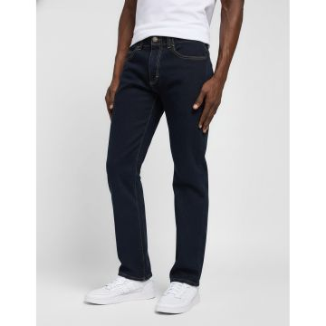 | Lee | Men | Clothing | Denim | 80.00 | SS | 05400919647252 | 112119611 | 112119611-27_32 | Slim Fit MVP RINSE | Denim | Pakistan | 100% OTHER FIBER | 27_32 |  |  | 8 | €28.50 | €228.00 | €75.00 | €600.00
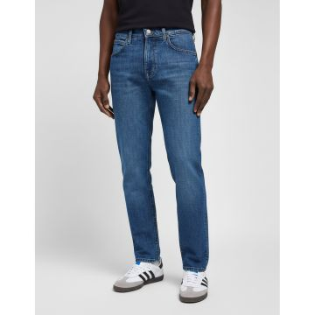 | Lee | Men | Clothing | Denim | 80.00 | SS | 05401018807127 | 112119931 | 112119931-27_32 | Austin MID BLUEGRASS | Denim | Tunisia |  | 27_32 |  |  | 44 | €44.00 | €1,936.00 | €109.95 | €4,837.80
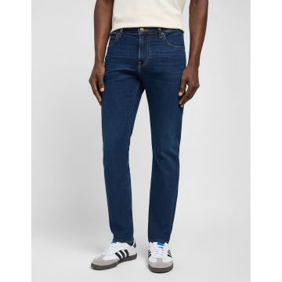 | Lee | Men | Clothing | Denim | 80.00 | SS | 05400919762863 | 112120179 | 112120179-26_32 | MALONE DARK MARTHA, 32, 30 | Denim | BD | 100% OTHER FIBER | 26_32 |  |  | 22 | €40.00 | €880.00 | €99.95 | €2,198.90
 | Lee | Men | Clothing | Denim | 80.00 | SS | 05400919762801 | 112120179 | 112120179-27_30 | MALONE DARK MARTHA, 32, 30 | Denim | BD | 100% OTHER FIBER | 27_30 |  |  | 6 | €40.00 | €240.00 | €99.95 | €599.70
 | Lee | Men | Clothing | Denim | 80.00 | SS | 05400919762955 | 112120179 | 112120179-28_34 | MALONE DARK MARTHA, 32, 30 | Denim | BD | 100% OTHER FIBER | 28_34 |  |  | 17 | €40.00 | €680.00 | €99.95 | €1,699.15
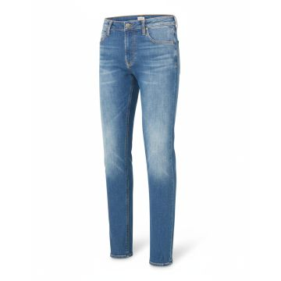 | Lee | Men | Clothing | Denim | 80.00 | SS | 05400919763334 | 112120185 | 112120185-27_32 | Malone MID WORN MARTHA | Denim | Pakistan | 100% OTHER FIBER | 27_32 |  |  | 3 | €40.50 | €121.50 | €99.95 | €299.85
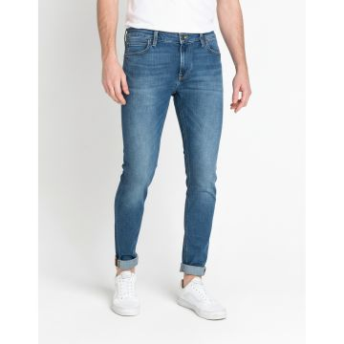 | Lee | Men | Clothing | Denim | 80.00 | SS | 05400806194999 | 112120202 | 112120202-27_32 | MALONE BLUE DROP | Denim | BD | 100% OTHER FIBER | 27_32 |  |  | 7 | €40.50 | €283.50 | €99.90 | €699.30
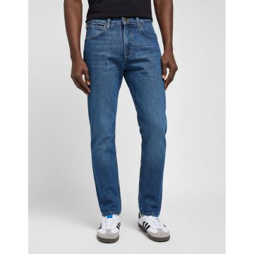 | Lee | Men | Clothing | Denim | 80.00 | SS | 05400552035041 | 112120273 | 112120273-26_32 | MALONE BLACK RINSE | Denim | BD | 100% OTHER FIBER | 26_32 |  |  | 38 | €37.00 | €1,406.00 | €89.95 | €3,418.14
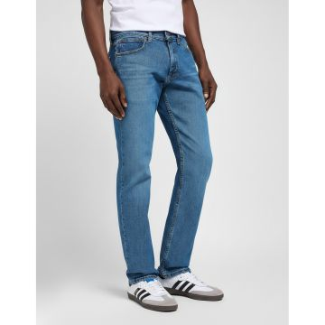 | Lee | Men | Clothing | Denim | 80.00 | SS | 05400919973511 | 112121155 | 112121155-28_34 | LEGENDARY SLIM,99% CO 1% EA,Mexico,30_32, | Denim | Mexico | 100% PIMA COTTON | 28_34 |  |  | 7 | €25.00 | €175.00 | €49.95 | €349.65
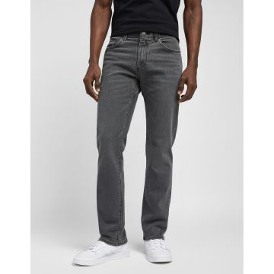 | Lee | Men | Clothing | Denim | 80.00 | FW | 05401018305975 | 112142584 | 112142584-27_32 | SLIM FIT MVP FORGE, 32, 36 |  | Pakistan | 83% CO 13% POLY 4% EA | 27_32 |  |  | 5 | €28.50 | €142.50 | €75.00 | €375.00
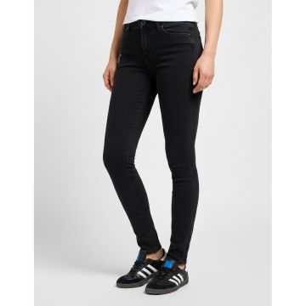 | Lee | Women | Clothing | Denim | 80.00 | FW | 05401019716435 | 112145054 | 112145054-24_29 | FOREVERFIT BLACK AVERY, 26, 29 | BLACK | Tunisia | 100% OTHER FIBER | 24_29 |  |  | 8 | €40.50 | €324.00 | €99.95 | €799.60
 | Lee | Women | Clothing | Denim | 80.00 | FW | 05401018749564 | 112145054 | 112145054-38_33 | FOREVERFIT BLACK AVERY, 26, 29 | BLACK | Tunisia | 100% OTHER FIBER | 38_33 |  |  | 9 | €40.50 | €364.50 | €99.95 | €899.55
 | Lee | Women | Clothing | Denim | 80.00 | FW | 05401019717319 | 112145054 | 112145054-40_29 | FOREVERFIT BLACK AVERY, 26, 29 | BLACK | Tunisia | 100% OTHER FIBER | 40_29 |  |  | 12 | €40.50 | €486.00 | €99.95 | €1,199.40
 | Lee | Women | Clothing | Denim | 80.00 | FW | 05401019717425 | 112145054 | 112145054-42_29 | FOREVERFIT BLACK AVERY, 26, 29 | BLACK | Tunisia | 100% OTHER FIBER | 42_29 |  |  | 9 | €40.50 | €364.50 | €99.95 | €899.55
 | Lee | Women | Clothing | Denim | 80.00 | FW | 05401018749588 | 112145054 | 112145054-42_33 | FOREVERFIT BLACK AVERY, 26, 29 | BLACK | Tunisia | 100% OTHER FIBER | 42_33 |  |  | 14 | €40.50 | €567.00 | €99.95 | €1,399.30
 | Lee | Women | Clothing | Denim | 80.00 | FW | 05401019717449 | 112145054 | 112145054-44_29 | FOREVERFIT BLACK AVERY, 26, 29 | BLACK | Tunisia | 100% OTHER FIBER | 44_29 |  |  | 8 | €40.50 | €324.00 | €99.95 | €799.60
 | Lee | Women | Clothing | Denim | 80.00 | FW | 05401018749595 | 112145054 | 112145054-44_33 | FOREVERFIT BLACK AVERY, 26, 29 | BLACK | Tunisia | 100% OTHER FIBER | 44_33 |  |  | 5 | €40.50 | €202.50 | €99.95 | €499.75
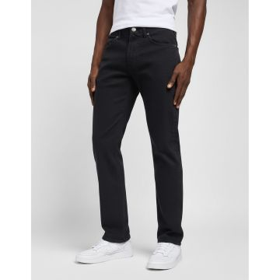 | Lee | Men | Clothing | Denim | 80.00 | FW | 05401019061894 | 112324636 | 112324636-27_32 | SLIM FIT MVP BLACK, 44, 34 | BLACK | Pakistan | 100% OTHER FIBER | 27_32 |  |  | 6 | €28.50 | €171.00 | €75.00 | €450.00
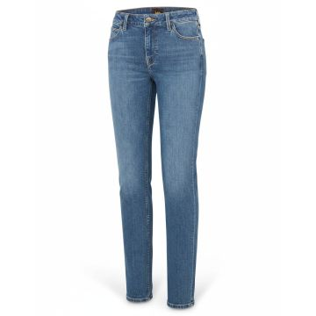 | Lee | Women | Clothing | Denim | 80.00 | SS | 05401019107622 | 112328322 | 112328322-25_31 | ELLY FEELS LIKE INDIGO | Denim | BD | 100% OTHER FIBER | 25_31 |  |  | 14 | €40.50 | €567.00 | €99.95 | €1,399.30
 | Lee | Women | Clothing | Denim | 80.00 | SS | 05401019107646 | 112328322 | 112328322-26_31 | ELLY FEELS LIKE INDIGO | Denim | BD | 100% OTHER FIBER | 26_31 |  |  | 22 | €40.50 | €891.00 | €99.95 | €2,198.90
 | Lee | Women | Clothing | Denim | 80.00 | SS | 05401019107677 | 112328322 | 112328322-26_33 | ELLY FEELS LIKE INDIGO | Denim | BD | 100% OTHER FIBER | 26_33 |  |  | 7 | €40.50 | €283.50 | €99.95 | €699.65
 | Lee | Women | Clothing | Denim | 80.00 | SS | 05401019107691 | 112328322 | 112328322-27_31 | ELLY FEELS LIKE INDIGO | Denim | BD | 100% OTHER FIBER | 27_31 |  |  | 18 | €40.50 | €729.00 | €99.95 | €1,799.10
 | Lee | Women | Clothing | Denim | 80.00 | SS | 05401019107714 | 112328322 | 112328322-27_33 | ELLY FEELS LIKE INDIGO | Denim | BD | 100% OTHER FIBER | 27_33 |  |  | 17 | €40.50 | €688.50 | €99.95 | €1,699.15
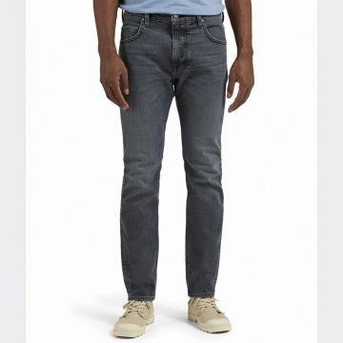 | Lee | Men | Clothing | Denim | 162.00 | FW | 05401019111155 | 112328478 | 112328478-30_32 | Lee Rider Shadow Slim Jeans Grey |  | Bangladesh |  | 30_32 |  |  | 2 | €40.50 | €81.00 | €99.95 | €199.90
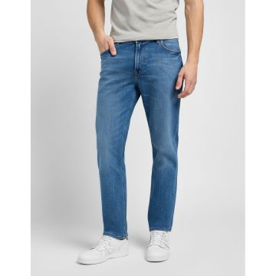 | Lee | Men | Clothing | Denim | 80.00 | SS | 05401019430652 | 112337717 | 112337717-28_32 | WEST FADE OUT | Denim | BD | 100% OTHER FIBER | 28_32 |  |  | 22 | €44.50 | €979.00 | €109.95 | €2,418.90
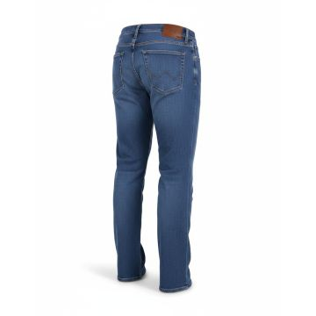 | Lee | Men | Clothing | Denim | 80.00 | SS | 05401019540290 | 112341422 | 112341422-27_32 | Lee Classic Straight Leg Jeans Blue | Denim | BD | 100% OTHER FIBER | 27_32 |  |  | 12 | €38.00 | €456.00 | €89.95 | €1,079.41
 | Lee | Men | Clothing | Denim | 80.00 | SS | 05401019540658 | 112341422 | 112341422-28_32 | Lee Classic Straight Leg Jeans Blue | Denim | BD | 100% OTHER FIBER | 28_32 |  |  | 1 | €38.00 | €38.00 | €89.95 | €89.95
 | Lee | Men | Clothing | Denim | 80.00 | SS | 05401019543437 | 112341422 | 112341422-40_34 | Lee Classic Straight Leg Jeans Blue | Denim | BD | 100% OTHER FIBER | 40_34 |  |  | 2 | €38.00 | €76.00 | €89.95 | €179.90
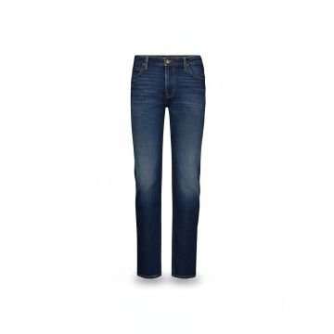 | Lee | Men | Clothing | Denim | 80.00 | SS | 05401019789620 | 112349241 | 112349241-26_32 | MALONE VACATION HOME | Denim | ID |  | 26_32 |  |  | 10 | €40.00 | €400.00 | €99.95 | €999.50
 | Lee | Men | Clothing | Denim | 80.00 | SS | 05401019789644 | 112349241 | 112349241-27_30 | MALONE VACATION HOME | Denim | ID |  | 27_30 |  |  | 10 | €40.00 | €400.00 | €99.95 | €999.50
 | Lee | Men | Clothing | Denim | 80.00 | SS | 05401019790039 | 112349241 | 112349241-28_34 | MALONE VACATION HOME | Denim | ID |  | 28_34 |  |  | 15 | €40.00 | €600.00 | €99.95 | €1,499.25
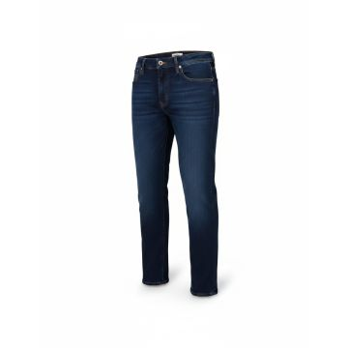 | Lee | Men | Clothing | Denim | 80.00 | SS | 05401019883137 | 112350845 | 112350845-31_36 | LARSTON NIGHT SHADE, 38, 34 | Denim | BD |  | 31_36 |  |  | 9 | €38.00 | €342.00 | €89.95 | €809.56
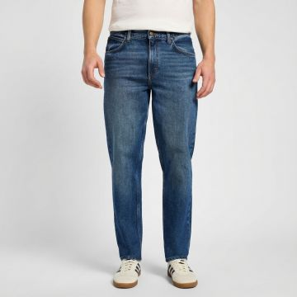 | Lee | Men | Clothing | Denim | 162.00 | SS | 05401139059894 | 112355833 | 112355833-30_30 | Lee Oscar Hastings Relaxed Fit Jeans Blue | Denim | Pakistan | 67% CO 32% LYOCELL 1% EA | 30_30 |  |  | 1 | €40.50 | €40.50 | €99.95 | €99.95
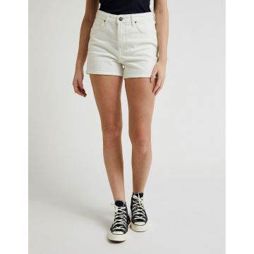 | Lee | Women | Clothing | Shorts | 80.00 | SS | 05401019176604 | 112330591 | 112330591-25 | CAROL SHORT MARBLE WHITE |  | BD | 67% CO 32% LYOCELL 1% EA | 25 |  |  | 6 | €24.00 | €144.00 | €59.95 | €359.70
 | Lee | Women | Clothing | Shorts | 80.00 | SS | 05401019176857 | 112330591 | 112330591-26 | CAROL SHORT MARBLE WHITE |  | BD | 67% CO 32% LYOCELL 1% EA | 26 |  |  | 7 | €24.00 | €168.00 | €59.95 | €419.65
 | Lee | Women | Clothing | Shorts | 80.00 | SS | 05401019176987 | 112330591 | 112330591-29 | CAROL SHORT MARBLE WHITE |  | BD | 67% CO 32% LYOCELL 1% EA | 29 |  |  | 11 | €24.00 | €264.00 | €59.95 | €659.45
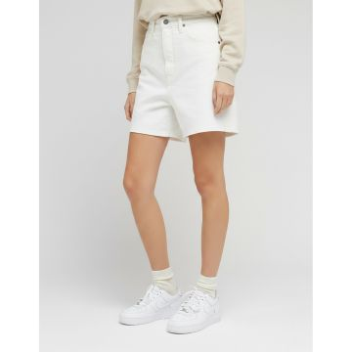 | Lee | Women | Clothing | Shorts | 80.00 | SS | 05401019176574 | 112330595 | 112330595-24 | STELLA SHORT MARBLE WHITE |  | BD | 67% CO 32% LYOCELL 1% EA | 24 |  |  | 7 | €24.00 | €168.00 | €59.95 | €419.65
 | Lee | Women | Clothing | Shorts | 80.00 | SS | 05401019176826 | 112330595 | 112330595-25 | STELLA SHORT MARBLE WHITE |  | BD | 67% CO 32% LYOCELL 1% EA | 25 |  |  | 10 | €24.00 | €240.00 | €59.95 | €599.50
 | Lee | Women | Clothing | Shorts | 80.00 | SS | 05401019176888 | 112330595 | 112330595-26 | STELLA SHORT MARBLE WHITE |  | BD | 67% CO 32% LYOCELL 1% EA | 26 |  |  | 16 | €24.00 | €384.00 | €59.95 | €959.20
 | Lee | Women | Clothing | Shorts | 80.00 | SS | 05401019176918 | 112330595 | 112330595-27 | STELLA SHORT MARBLE WHITE |  | BD | 67% CO 32% LYOCELL 1% EA | 27 |  |  | 16 | €24.00 | €384.00 | €59.95 | €959.20
 | Lee | Women | Clothing | Shorts | 80.00 | SS | 05401019176963 | 112330595 | 112330595-28 | STELLA SHORT MARBLE WHITE |  | BD | 67% CO 32% LYOCELL 1% EA | 28 |  |  | 19 | €24.00 | €456.00 | €59.95 | €1,139.05
 | Lee | Women | Clothing | Shorts | 80.00 | SS | 05401019177229 | 112330595 | 112330595-29 | STELLA SHORT MARBLE WHITE |  | BD | 67% CO 32% LYOCELL 1% EA | 29 |  |  | 13 | €24.00 | €312.00 | €59.95 | €779.35
 | Lee | Women | Clothing | Shorts | 80.00 | SS | 05401019177281 | 112330595 | 112330595-30 | STELLA SHORT MARBLE WHITE |  | BD | 67% CO 32% LYOCELL 1% EA | 30 |  |  | 3 | €24.00 | €72.00 | €59.95 | €179.85
 | Lee | Women | Clothing | Shorts | 80.00 | SS | 05401019177427 | 112330595 | 112330595-31 | STELLA SHORT MARBLE WHITE |  | BD | 67% CO 32% LYOCELL 1% EA | 31 |  |  | 6 | €24.00 | €144.00 | €59.95 | €359.70
 | Lee | Women | Clothing | Shorts | 80.00 | SS | 05401019177441 | 112330595 | 112330595-32 | STELLA SHORT MARBLE WHITE |  | BD | 67% CO 32% LYOCELL 1% EA | 32 |  |  | 2 | €24.00 | €48.00 | €59.95 | €119.90
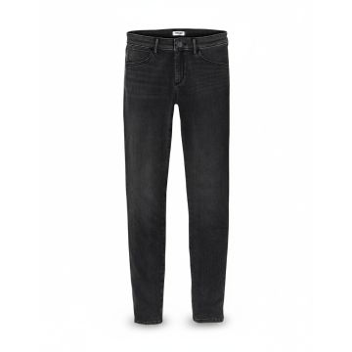 | Wrangler | Women | Clothing | Denim | 80.00 | FW | 05401018074048 | 112141290 | 112141290-24_32 | SKINNY SOFT NIGHTS | BLACK | BD |  | 24_32 |  |  | 9 | €38.00 | €342.00 | €89.95 | €809.56
 | Wrangler | Women | Clothing | Denim | 80.00 | FW | 05401018073966 | 112141290 | 112141290-25_30 | SKINNY SOFT NIGHTS | BLACK | BD |  | 25_30 |  |  | 11 | €38.00 | €418.00 | €89.95 | €989.46
 | Wrangler | Women | Clothing | Denim | 80.00 | FW | 05401018074055 | 112141290 | 112141290-25_32 | SKINNY SOFT NIGHTS | BLACK | BD |  | 25_32 |  |  | 8 | €38.00 | €304.00 | €89.95 | €719.61
 | Wrangler | Women | Clothing | Denim | 80.00 | FW | 05401018073973 | 112141290 | 112141290-26_30 | SKINNY SOFT NIGHTS | BLACK | BD |  | 26_30 |  |  | 24 | €38.00 | €912.00 | €89.95 | €2,158.82
 | Wrangler | Women | Clothing | Denim | 80.00 | FW | 05401018074062 | 112141290 | 112141290-26_32 | SKINNY SOFT NIGHTS | BLACK | BD |  | 26_32 |  |  | 12 | €38.00 | €456.00 | €89.95 | €1,079.41
 | Wrangler | Women | Clothing | Denim | 80.00 | FW | 05401018074079 | 112141290 | 112141290-27_32 | SKINNY SOFT NIGHTS | BLACK | BD |  | 27_32 |  |  | 9 | €38.00 | €342.00 | €89.95 | €809.56
 | Wrangler | Women | Clothing | Denim | 80.00 | FW | 05401018074154 | 112141290 | 112141290-27_34 | SKINNY SOFT NIGHTS | BLACK | BD |  | 27_34 |  |  | 8 | €38.00 | €304.00 | €89.95 | €719.61
 | Wrangler | Women | Clothing | Denim | 80.00 | FW | 05401018074086 | 112141290 | 112141290-28_32 | SKINNY SOFT NIGHTS | BLACK | BD |  | 28_32 |  |  | 6 | €38.00 | €228.00 | €89.95 | €539.71
 | Wrangler | Women | Clothing | Denim | 80.00 | FW | 05401018074161 | 112141290 | 112141290-28_34 | SKINNY SOFT NIGHTS | BLACK | BD |  | 28_34 |  |  | 3 | €38.00 | €114.00 | €89.95 | €269.85
 | Wrangler | Women | Clothing | Denim | 80.00 | FW | 05401018074178 | 112141290 | 112141290-29_34 | SKINNY SOFT NIGHTS | BLACK | BD |  | 29_34 |  |  | 2 | €38.00 | €76.00 | €89.95 | €179.90
 | Wrangler | Women | Clothing | Denim | 80.00 | FW | 05401018074109 | 112141290 | 112141290-30_32 | SKINNY SOFT NIGHTS | BLACK | BD |  | 30_32 |  |  | 6 | €38.00 | €228.00 | €89.95 | €539.71
 | Wrangler | Women | Clothing | Denim | 80.00 | FW | 05401018074185 | 112141290 | 112141290-30_34 | SKINNY SOFT NIGHTS | BLACK | BD |  | 30_34 |  |  | 4 | €38.00 | €152.00 | €89.95 | €359.80
 | Wrangler | Women | Clothing | Denim | 80.00 | FW | 05401018074116 | 112141290 | 112141290-31_32 | SKINNY SOFT NIGHTS | BLACK | BD |  | 31_32 |  |  | 1 | €38.00 | €38.00 | €89.95 | €89.95
 | Wrangler | Women | Clothing | Denim | 80.00 | FW | 05401018074192 | 112141290 | 112141290-31_34 | SKINNY SOFT NIGHTS | BLACK | BD |  | 31_34 |  |  | 6 | €38.00 | €228.00 | €89.95 | €539.71
 | Wrangler | Women | Clothing | Denim | 80.00 | FW | 05401018074123 | 112141290 | 112141290-32_32 | SKINNY SOFT NIGHTS | BLACK | BD |  | 32_32 |  |  | 7 | €38.00 | €266.00 | €89.95 | €629.66
 | Wrangler | Women | Clothing | Denim | 80.00 | FW | 05401018074130 | 112141290 | 112141290-33_32 | SKINNY SOFT NIGHTS | BLACK | BD |  | 33_32 |  |  | 8 | €38.00 | €304.00 | €89.95 | €719.61
 | Wrangler | Women | Clothing | Denim | 80.00 | FW | 05401018074147 | 112141290 | 112141290-34_32 | SKINNY SOFT NIGHTS | BLACK | BD |  | 34_32 |  |  | 17 | €38.00 | €646.00 | €89.95 | €1,529.17
 | Wrangler | Women | Clothing | Denim | 80.00 | FW | 05401018332087 | 112141290 | 112141290-34_34 | SKINNY SOFT NIGHTS | BLACK | BD |  | 34_34 |  |  | 4 | €38.00 | €152.00 | €89.95 | €359.80
 | Wrangler | Women | Clothing | Denim | 80.00 | FW | 05401018332025 | 112141290 | 112141290-36_32 | SKINNY SOFT NIGHTS | BLACK | BD |  | 36_32 |  |  | 6 | €38.00 | €228.00 | €89.95 | €539.71
 | Wrangler | Women | Clothing | Denim | 80.00 | FW | 05401018332094 | 112141290 | 112141290-36_34 | SKINNY SOFT NIGHTS | BLACK | BD |  | 36_34 |  |  | 2 | €38.00 | €76.00 | €89.95 | €179.90
 | Wrangler | Women | Clothing | Denim | 80.00 | FW | 05401018332032 | 112141290 | 112141290-38_32 | SKINNY SOFT NIGHTS | BLACK | BD |  | 38_32 |  |  | 6 | €38.00 | €228.00 | €89.95 | €539.71
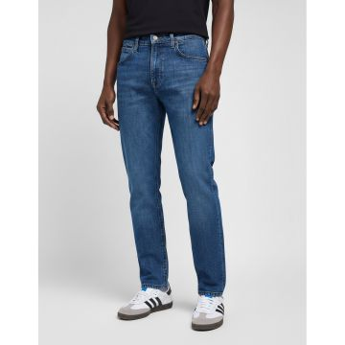 | Wrangler | Women | Clothing | Denim | 80.00 | SS | 05401018074215 | 112141291 | 112141291-25_30 | SKINNY AUTHENTIC LOVE | Denim | BD | 100% OTHER FIBER | 25_30 |  |  | 3 | €38.00 | €114.00 | €89.95 | €269.85
 | Wrangler | Women | Clothing | Denim | 80.00 | SS | 05401018074307 | 112141291 | 112141291-25_32 | SKINNY AUTHENTIC LOVE | Denim | BD | 100% OTHER FIBER | 25_32 |  |  | 8 | €38.00 | €304.00 | €89.95 | €719.61
 | Wrangler | Women | Clothing | Denim | 80.00 | SS | 05401018074222 | 112141291 | 112141291-26_30 | SKINNY AUTHENTIC LOVE | Denim | BD | 100% OTHER FIBER | 26_30 |  |  | 9 | €38.00 | €342.00 | €89.95 | €809.56
 | Wrangler | Women | Clothing | Denim | 80.00 | SS | 05401018074314 | 112141291 | 112141291-26_32 | SKINNY AUTHENTIC LOVE | Denim | BD | 100% OTHER FIBER | 26_32 |  |  | 13 | €38.00 | €494.00 | €89.95 | €1,169.36
 | Wrangler | Women | Clothing | Denim | 80.00 | SS | 05401018074321 | 112141291 | 112141291-27_32 | SKINNY AUTHENTIC LOVE | Denim | BD | 100% OTHER FIBER | 27_32 |  |  | 2 | €38.00 | €76.00 | €89.95 | €179.90
 | Wrangler | Women | Clothing | Denim | 80.00 | SS | 05401018074406 | 112141291 | 112141291-27_34 | SKINNY AUTHENTIC LOVE | Denim | BD | 100% OTHER FIBER | 27_34 |  |  | 6 | €38.00 | €228.00 | €89.95 | €539.71
 | Wrangler | Women | Clothing | Denim | 80.00 | SS | 05401018074338 | 112141291 | 112141291-28_32 | SKINNY AUTHENTIC LOVE | Denim | BD | 100% OTHER FIBER | 28_32 |  |  | 11 | €38.00 | €418.00 | €89.95 | €989.46
 | Wrangler | Women | Clothing | Denim | 80.00 | SS | 05401018074413 | 112141291 | 112141291-28_34 | SKINNY AUTHENTIC LOVE | Denim | BD | 100% OTHER FIBER | 28_34 |  |  | 2 | €38.00 | €76.00 | €89.95 | €179.90
 | Wrangler | Women | Clothing | Denim | 80.00 | SS | 05401018074420 | 112141291 | 112141291-29_34 | SKINNY AUTHENTIC LOVE | Denim | BD | 100% OTHER FIBER | 29_34 |  |  | 7 | €38.00 | €266.00 | €89.95 | €629.66
 | Wrangler | Women | Clothing | Denim | 80.00 | SS | 05401018074352 | 112141291 | 112141291-30_32 | SKINNY AUTHENTIC LOVE | Denim | BD | 100% OTHER FIBER | 30_32 |  |  | 5 | €38.00 | €190.00 | €89.95 | €449.75
 | Wrangler | Women | Clothing | Denim | 80.00 | SS | 05401018074444 | 112141291 | 112141291-31_34 | SKINNY AUTHENTIC LOVE | Denim | BD | 100% OTHER FIBER | 31_34 |  |  | 2 | €38.00 | €76.00 | €89.95 | €179.90
 | Wrangler | Women | Clothing | Denim | 80.00 | SS | 05401018074376 | 112141291 | 112141291-32_32 | SKINNY AUTHENTIC LOVE | Denim | BD | 100% OTHER FIBER | 32_32 |  |  | 2 | €38.00 | €76.00 | €89.95 | €179.90
 | Wrangler | Women | Clothing | Denim | 80.00 | SS | 05401018332162 | 112141291 | 112141291-32_34 | SKINNY AUTHENTIC LOVE | Denim | BD | 100% OTHER FIBER | 32_34 |  |  | 2 | €38.00 | €76.00 | €89.95 | €179.90
 | Wrangler | Women | Clothing | Denim | 80.00 | SS | 05401018332179 | 112141291 | 112141291-33_34 | SKINNY AUTHENTIC LOVE | Denim | BD | 100% OTHER FIBER | 33_34 |  |  | 60 | €38.00 | €2,280.00 | €89.95 | €5,397.06
 | Wrangler | Women | Clothing | Denim | 80.00 | SS | 05401018074390 | 112141291 | 112141291-34_32 | SKINNY AUTHENTIC LOVE | Denim | BD | 100% OTHER FIBER | 34_32 |  |  | 7 | €38.00 | €266.00 | €89.95 | €629.66
 | Wrangler | Women | Clothing | Denim | 80.00 | SS | 05401018332186 | 112141291 | 112141291-34_34 | SKINNY AUTHENTIC LOVE | Denim | BD | 100% OTHER FIBER | 34_34 |  |  | 9 | €38.00 | €342.00 | €89.95 | €809.56
 | Wrangler | Women | Clothing | Denim | 80.00 | SS | 05401018332124 | 112141291 | 112141291-36_32 | SKINNY AUTHENTIC LOVE | Denim | BD | 100% OTHER FIBER | 36_32 |  |  | 26 | €38.00 | €988.00 | €89.95 | €2,338.73
 | Wrangler | Women | Clothing | Denim | 80.00 | SS | 05401018332193 | 112141291 | 112141291-36_34 | SKINNY AUTHENTIC LOVE | Denim | BD | 100% OTHER FIBER | 36_34 |  |  | 142 | €38.00 | €5,396.00 | €89.95 | €12,773.04
 | Wrangler | Women | Clothing | Denim | 80.00 | SS | 05401018332131 | 112141291 | 112141291-38_32 | SKINNY AUTHENTIC LOVE | Denim | BD | 100% OTHER FIBER | 38_32 |  |  | 25 | €38.00 | €950.00 | €89.95 | €2,248.77
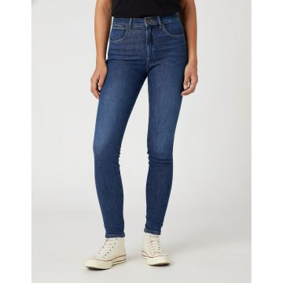 | Wrangler | Women | Clothing | Denim | 80.00 | SS | 05401018369281 | 112144778 | 112144778-26_30 | HIGH RISE SKINNY GOOD NEWS | Denim | BD | 100% PIMA COTTON | 26_30 |  |  | 16 | €38.00 | €608.00 | €89.95 | €1,439.22
 | Wrangler | Women | Clothing | Denim | 80.00 | SS | 05401018369373 | 112144778 | 112144778-26_32 | HIGH RISE SKINNY GOOD NEWS | Denim | BD | 100% PIMA COTTON | 26_32 |  |  | 15 | €38.00 | €570.00 | €89.95 | €1,349.26
 | Wrangler | Women | Clothing | Denim | 80.00 | SS | 05401018369298 | 112144778 | 112144778-27_30 | HIGH RISE SKINNY GOOD NEWS | Denim | BD | 100% PIMA COTTON | 27_30 |  |  | 18 | €38.00 | €684.00 | €89.95 | €1,619.12
 | Wrangler | Women | Clothing | Denim | 80.00 | SS | 05401018369465 | 112144778 | 112144778-27_34 | HIGH RISE SKINNY GOOD NEWS | Denim | BD | 100% PIMA COTTON | 27_34 |  |  | 6 | €38.00 | €228.00 | €89.95 | €539.71
 | Wrangler | Women | Clothing | Denim | 80.00 | SS | 05401018369304 | 112144778 | 112144778-28_30 | HIGH RISE SKINNY GOOD NEWS | Denim | BD | 100% PIMA COTTON | 28_30 |  |  | 21 | €38.00 | €798.00 | €89.95 | €1,888.97
 | Wrangler | Women | Clothing | Denim | 80.00 | SS | 05401018369311 | 112144778 | 112144778-29_30 | HIGH RISE SKINNY GOOD NEWS | Denim | BD | 100% PIMA COTTON | 29_30 |  |  | 17 | €38.00 | €646.00 | €89.95 | €1,529.17
 | Wrangler | Women | Clothing | Denim | 80.00 | SS | 05401018369403 | 112144778 | 112144778-29_32 | HIGH RISE SKINNY GOOD NEWS | Denim | BD | 100% PIMA COTTON | 29_32 |  |  | 17 | €38.00 | €646.00 | €89.95 | €1,529.17
 | Wrangler | Women | Clothing | Denim | 80.00 | SS | 05401018369489 | 112144778 | 112144778-29_34 | HIGH RISE SKINNY GOOD NEWS | Denim | BD | 100% PIMA COTTON | 29_34 |  |  | 5 | €38.00 | €190.00 | €89.95 | €449.75
 | Wrangler | Women | Clothing | Denim | 80.00 | SS | 05401018369410 | 112144778 | 112144778-30_32 | HIGH RISE SKINNY GOOD NEWS | Denim | BD | 100% PIMA COTTON | 30_32 |  |  | 20 | €38.00 | €760.00 | €89.95 | €1,799.02
 | Wrangler | Women | Clothing | Denim | 80.00 | SS | 05401018369427 | 112144778 | 112144778-31_32 | HIGH RISE SKINNY GOOD NEWS | Denim | BD | 100% PIMA COTTON | 31_32 |  |  | 5 | €38.00 | €190.00 | €89.95 | €449.75
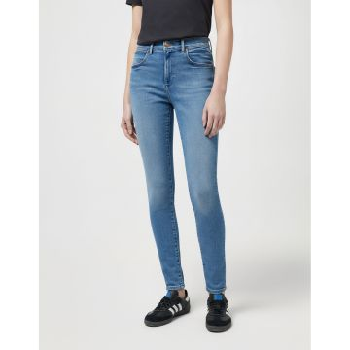 | Wrangler | Women | Clothing | Denim | 80.00 | SS | 05401018607642 | 112145956 | 112145956-24_32 | HIGH RISE SKINNY RIVER | Denim | BD | 100% PIMA COTTON | 24_32 |  |  | 7 | €38.00 | €266.00 | €89.95 | €629.66
 | Wrangler | Women | Clothing | Denim | 80.00 | SS | 05401018607659 | 112145956 | 112145956-25_32 | HIGH RISE SKINNY RIVER | Denim | BD | 100% PIMA COTTON | 25_32 |  |  | 16 | €38.00 | €608.00 | €89.95 | €1,439.22
 | Wrangler | Women | Clothing | Denim | 80.00 | SS | 05401018607666 | 112145956 | 112145956-26_32 | HIGH RISE SKINNY RIVER | Denim | BD | 100% PIMA COTTON | 26_32 |  |  | 38 | €38.00 | €1,444.00 | €89.95 | €3,418.14
 | Wrangler | Women | Clothing | Denim | 80.00 | SS | 05401018607673 | 112145956 | 112145956-27_32 | HIGH RISE SKINNY RIVER | Denim | BD | 100% PIMA COTTON | 27_32 |  |  | 44 | €38.00 | €1,672.00 | €89.95 | €3,957.84
 | Wrangler | Women | Clothing | Denim | 80.00 | SS | 05401018607796 | 112145956 | 112145956-27_34 | HIGH RISE SKINNY RIVER | Denim | BD | 100% PIMA COTTON | 27_34 |  |  | 10 | €38.00 | €380.00 | €89.95 | €899.51
 | Wrangler | Women | Clothing | Denim | 80.00 | SS | 05401018607680 | 112145956 | 112145956-28_32 | HIGH RISE SKINNY RIVER | Denim | BD | 100% PIMA COTTON | 28_32 |  |  | 39 | €38.00 | €1,482.00 | €89.95 | €3,508.09
 | Wrangler | Women | Clothing | Denim | 80.00 | SS | 05401018607802 | 112145956 | 112145956-28_34 | HIGH RISE SKINNY RIVER | Denim | BD | 100% PIMA COTTON | 28_34 |  |  | 8 | €38.00 | €304.00 | €89.95 | €719.61
 | Wrangler | Women | Clothing | Denim | 80.00 | SS | 05401018607697 | 112145956 | 112145956-29_32 | HIGH RISE SKINNY RIVER | Denim | BD | 100% PIMA COTTON | 29_32 |  |  | 43 | €38.00 | €1,634.00 | €89.95 | €3,867.89
 | Wrangler | Women | Clothing | Denim | 80.00 | SS | 05401018607819 | 112145956 | 112145956-29_34 | HIGH RISE SKINNY RIVER | Denim | BD | 100% PIMA COTTON | 29_34 |  |  | 7 | €38.00 | €266.00 | €89.95 | €629.66
 | Wrangler | Women | Clothing | Denim | 80.00 | SS | 05401018607703 | 112145956 | 112145956-30_32 | HIGH RISE SKINNY RIVER | Denim | BD | 100% PIMA COTTON | 30_32 |  |  | 56 | €38.00 | €2,128.00 | €89.95 | €5,037.26
 | Wrangler | Women | Clothing | Denim | 80.00 | SS | 05401018607826 | 112145956 | 112145956-30_34 | HIGH RISE SKINNY RIVER | Denim | BD | 100% PIMA COTTON | 30_34 |  |  | 18 | €38.00 | €684.00 | €89.95 | €1,619.12
 | Wrangler | Women | Clothing | Denim | 80.00 | SS | 05401018607710 | 112145956 | 112145956-31_32 | HIGH RISE SKINNY RIVER | Denim | BD | 100% PIMA COTTON | 31_32 |  |  | 39 | €38.00 | €1,482.00 | €89.95 | €3,508.09
 | Wrangler | Women | Clothing | Denim | 80.00 | SS | 05401018607833 | 112145956 | 112145956-31_34 | HIGH RISE SKINNY RIVER | Denim | BD | 100% PIMA COTTON | 31_34 |  |  | 2 | €38.00 | €76.00 | €89.95 | €179.90
 | Wrangler | Women | Clothing | Denim | 80.00 | SS | 05401018607727 | 112145956 | 112145956-32_32 | HIGH RISE SKINNY RIVER | Denim | BD | 100% PIMA COTTON | 32_32 |  |  | 25 | €38.00 | €950.00 | €89.95 | €2,248.77
 | Wrangler | Women | Clothing | Denim | 80.00 | SS | 05401018607840 | 112145956 | 112145956-32_34 | HIGH RISE SKINNY RIVER | Denim | BD | 100% PIMA COTTON | 32_34 |  |  | 8 | €38.00 | €304.00 | €89.95 | €719.61
 | Wrangler | Women | Clothing | Denim | 80.00 | SS | 05401018607734 | 112145956 | 112145956-33_32 | HIGH RISE SKINNY RIVER | Denim | BD | 100% PIMA COTTON | 33_32 |  |  | 21 | €38.00 | €798.00 | €89.95 | €1,888.97
 | Wrangler | Women | Clothing | Denim | 80.00 | SS | 05401018607857 | 112145956 | 112145956-33_34 | HIGH RISE SKINNY RIVER | Denim | BD | 100% PIMA COTTON | 33_34 |  |  | 7 | €38.00 | €266.00 | €89.95 | €629.66
 | Wrangler | Women | Clothing | Denim | 80.00 | SS | 05401018607741 | 112145956 | 112145956-34_32 | HIGH RISE SKINNY RIVER | Denim | BD | 100% PIMA COTTON | 34_32 |  |  | 13 | €38.00 | €494.00 | €89.95 | €1,169.36
 | Wrangler | Women | Clothing | Denim | 80.00 | SS | 05401018607864 | 112145956 | 112145956-34_34 | HIGH RISE SKINNY RIVER | Denim | BD | 100% PIMA COTTON | 34_34 |  |  | 5 | €38.00 | €190.00 | €89.95 | €449.75
 | Wrangler | Women | Clothing | Denim | 80.00 | SS | 05401018607758 | 112145956 | 112145956-36_32 | HIGH RISE SKINNY RIVER | Denim | BD | 100% PIMA COTTON | 36_32 |  |  | 15 | €38.00 | €570.00 | €89.95 | €1,349.26
 | Wrangler | Women | Clothing | Denim | 80.00 | SS | 05401018607871 | 112145956 | 112145956-36_34 | HIGH RISE SKINNY RIVER | Denim | BD | 100% PIMA COTTON | 36_34 |  |  | 8 | €38.00 | €304.00 | €89.95 | €719.61
 | Wrangler | Women | Clothing | Denim | 80.00 | SS | 05401018607765 | 112145956 | 112145956-38_32 | HIGH RISE SKINNY RIVER | Denim | BD | 100% PIMA COTTON | 38_32 |  |  | 6 | €38.00 | €228.00 | €89.95 | €539.71
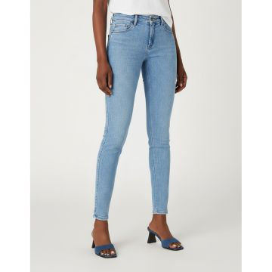 | Wrangler | Women | Clothing | Denim | 80.00 | SS | 05401018612042 | 112145985 | 112145985-24_32 | SKINNY IN THE CLOUDS | Denim | BD |  | 24_32 |  |  | 2 | €38.00 | €76.00 | €89.95 | €179.90
 | Wrangler | Women | Clothing | Denim | 80.00 | SS | 05401018611960 | 112145985 | 112145985-25_30 | SKINNY IN THE CLOUDS | Denim | BD |  | 25_30 |  |  | 18 | €38.00 | €684.00 | €89.95 | €1,619.12
 | Wrangler | Women | Clothing | Denim | 80.00 | SS | 05401018612059 | 112145985 | 112145985-25_32 | SKINNY IN THE CLOUDS | Denim | BD |  | 25_32 |  |  | 18 | €38.00 | €684.00 | €89.95 | €1,619.12
 | Wrangler | Women | Clothing | Denim | 80.00 | SS | 05401018611977 | 112145985 | 112145985-26_30 | SKINNY IN THE CLOUDS | Denim | BD |  | 26_30 |  |  | 54 | €38.00 | €2,052.00 | €89.95 | €4,857.35
 | Wrangler | Women | Clothing | Denim | 80.00 | SS | 05401018612066 | 112145985 | 112145985-26_32 | SKINNY IN THE CLOUDS | Denim | BD |  | 26_32 |  |  | 51 | €38.00 | €1,938.00 | €89.95 | €4,587.50
 | Wrangler | Women | Clothing | Denim | 80.00 | SS | 05401018611984 | 112145985 | 112145985-27_30 | SKINNY IN THE CLOUDS | Denim | BD |  | 27_30 |  |  | 58 | €38.00 | €2,204.00 | €89.95 | €5,217.16
 | Wrangler | Women | Clothing | Denim | 80.00 | SS | 05401018612073 | 112145985 | 112145985-27_32 | SKINNY IN THE CLOUDS | Denim | BD |  | 27_32 |  |  | 62 | €38.00 | €2,356.00 | €89.95 | €5,576.96
 | Wrangler | Women | Clothing | Denim | 80.00 | SS | 05401018612196 | 112145985 | 112145985-27_34 | SKINNY IN THE CLOUDS | Denim | BD |  | 27_34 |  |  | 10 | €38.00 | €380.00 | €89.95 | €899.51
 | Wrangler | Women | Clothing | Denim | 80.00 | SS | 05401018611991 | 112145985 | 112145985-28_30 | SKINNY IN THE CLOUDS | Denim | BD |  | 28_30 |  |  | 60 | €38.00 | €2,280.00 | €89.95 | €5,397.06
 | Wrangler | Women | Clothing | Denim | 80.00 | SS | 05401018612080 | 112145985 | 112145985-28_32 | SKINNY IN THE CLOUDS | Denim | BD |  | 28_32 |  |  | 76 | €38.00 | €2,888.00 | €89.95 | €6,836.28
 | Wrangler | Women | Clothing | Denim | 80.00 | SS | 05401018612202 | 112145985 | 112145985-28_34 | SKINNY IN THE CLOUDS | Denim | BD |  | 28_34 |  |  | 8 | €38.00 | €304.00 | €89.95 | €719.61
 | Wrangler | Women | Clothing | Denim | 80.00 | SS | 05401018612004 | 112145985 | 112145985-29_30 | SKINNY IN THE CLOUDS | Denim | BD |  | 29_30 |  |  | 59 | €38.00 | €2,242.00 | €89.95 | €5,307.11
 | Wrangler | Women | Clothing | Denim | 80.00 | SS | 05401018612097 | 112145985 | 112145985-29_32 | SKINNY IN THE CLOUDS | Denim | BD |  | 29_32 |  |  | 70 | €38.00 | €2,660.00 | €89.95 | €6,296.57
 | Wrangler | Women | Clothing | Denim | 80.00 | SS | 05401018612219 | 112145985 | 112145985-29_34 | SKINNY IN THE CLOUDS | Denim | BD |  | 29_34 |  |  | 12 | €38.00 | €456.00 | €89.95 | €1,079.41
 | Wrangler | Women | Clothing | Denim | 80.00 | SS | 05401018612011 | 112145985 | 112145985-30_30 | SKINNY IN THE CLOUDS | Denim | BD |  | 30_30 |  |  | 44 | €38.00 | €1,672.00 | €89.95 | €3,957.84
 | Wrangler | Women | Clothing | Denim | 80.00 | SS | 05401018612103 | 112145985 | 112145985-30_32 | SKINNY IN THE CLOUDS | Denim | BD |  | 30_32 |  |  | 66 | €38.00 | €2,508.00 | €89.95 | €5,936.77
 | Wrangler | Women | Clothing | Denim | 80.00 | SS | 05401018612226 | 112145985 | 112145985-30_34 | SKINNY IN THE CLOUDS | Denim | BD |  | 30_34 |  |  | 10 | €38.00 | €380.00 | €89.95 | €899.51
 | Wrangler | Women | Clothing | Denim | 80.00 | SS | 05401018612028 | 112145985 | 112145985-31_30 | SKINNY IN THE CLOUDS | Denim | BD |  | 31_30 |  |  | 37 | €38.00 | €1,406.00 | €89.95 | €3,328.19
 | Wrangler | Women | Clothing | Denim | 80.00 | SS | 05401018612110 | 112145985 | 112145985-31_32 | SKINNY IN THE CLOUDS | Denim | BD |  | 31_32 |  |  | 42 | €38.00 | €1,596.00 | €89.95 | €3,777.94
 | Wrangler | Women | Clothing | Denim | 80.00 | SS | 05401018612233 | 112145985 | 112145985-31_34 | SKINNY IN THE CLOUDS | Denim | BD |  | 31_34 |  |  | 2 | €38.00 | €76.00 | €89.95 | €179.90
 | Wrangler | Women | Clothing | Denim | 80.00 | SS | 05401018612035 | 112145985 | 112145985-32_30 | SKINNY IN THE CLOUDS | Denim | BD |  | 32_30 |  |  | 23 | €38.00 | €874.00 | €89.95 | €2,068.87
 | Wrangler | Women | Clothing | Denim | 80.00 | SS | 05401018612127 | 112145985 | 112145985-32_32 | SKINNY IN THE CLOUDS | Denim | BD |  | 32_32 |  |  | 10 | €38.00 | €380.00 | €89.95 | €899.51
 | Wrangler | Women | Clothing | Denim | 80.00 | SS | 05401018612240 | 112145985 | 112145985-32_34 | SKINNY IN THE CLOUDS | Denim | BD |  | 32_34 |  |  | 2 | €38.00 | €76.00 | €89.95 | €179.90
 | Wrangler | Women | Clothing | Denim | 80.00 | SS | 05401018612134 | 112145985 | 112145985-33_32 | SKINNY IN THE CLOUDS | Denim | BD |  | 33_32 |  |  | 17 | €38.00 | €646.00 | €89.95 | €1,529.17
 | Wrangler | Women | Clothing | Denim | 80.00 | SS | 05401018612257 | 112145985 | 112145985-33_34 | SKINNY IN THE CLOUDS | Denim | BD |  | 33_34 |  |  | 2 | €38.00 | €76.00 | €89.95 | €179.90
 | Wrangler | Women | Clothing | Denim | 80.00 | SS | 05401018612141 | 112145985 | 112145985-34_32 | SKINNY IN THE CLOUDS | Denim | BD |  | 34_32 |  |  | 10 | €38.00 | €380.00 | €89.95 | €899.51
 | Wrangler | Women | Clothing | Denim | 80.00 | SS | 05401018612264 | 112145985 | 112145985-34_34 | SKINNY IN THE CLOUDS | Denim | BD |  | 34_34 |  |  | 1 | €38.00 | €38.00 | €89.95 | €89.95
 | Wrangler | Women | Clothing | Denim | 80.00 | SS | 05401018612158 | 112145985 | 112145985-36_32 | SKINNY IN THE CLOUDS | Denim | BD |  | 36_32 |  |  | 5 | €38.00 | €190.00 | €89.95 | €449.75
 | Wrangler | Women | Clothing | Denim | 80.00 | SS | 05401018612271 | 112145985 | 112145985-36_34 | SKINNY IN THE CLOUDS | Denim | BD |  | 36_34 |  |  | 1 | €38.00 | €38.00 | €89.95 | €89.95
 | Wrangler | Women | Clothing | Denim | 80.00 | SS | 05401018612165 | 112145985 | 112145985-38_32 | SKINNY IN THE CLOUDS | Denim | BD |  | 38_32 |  |  | 8 | €38.00 | €304.00 | €89.95 | €719.61
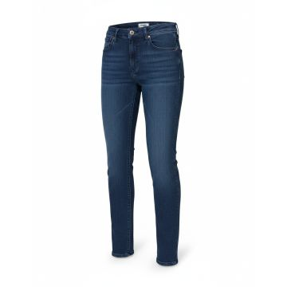 | Wrangler | Women | Clothing | Denim | 80.00 | SS | 05401018840902 | 112319178 | 112319178-25_30 | SKINNY FOOTLOOSE | Denim | BD |  | 25_30 |  |  | 6 | €38.00 | €228.00 | €89.95 | €539.71
 | Wrangler | Women | Clothing | Denim | 80.00 | SS | 05401018841046 | 112319178 | 112319178-25_32 | SKINNY FOOTLOOSE | Denim | BD |  | 25_32 |  |  | 5 | €38.00 | €190.00 | €89.95 | €449.75
 | Wrangler | Women | Clothing | Denim | 80.00 | SS | 05401018841084 | 112319178 | 112319178-26_30 | SKINNY FOOTLOOSE | Denim | BD |  | 26_30 |  |  | 4 | €38.00 | €152.00 | €89.95 | €359.80
 | Wrangler | Women | Clothing | Denim | 80.00 | SS | 05401018841107 | 112319178 | 112319178-26_32 | SKINNY FOOTLOOSE | Denim | BD |  | 26_32 |  |  | 6 | €38.00 | €228.00 | €89.95 | €539.71
 | Wrangler | Women | Clothing | Denim | 80.00 | SS | 05401018841381 | 112319178 | 112319178-27_32 | SKINNY FOOTLOOSE | Denim | BD |  | 27_32 |  |  | 6 | €38.00 | €228.00 | €89.95 | €539.71
 | Wrangler | Women | Clothing | Denim | 80.00 | SS | 05401018841633 | 112319178 | 112319178-27_34 | SKINNY FOOTLOOSE | Denim | BD |  | 27_34 |  |  | 2 | €38.00 | €76.00 | €89.95 | €179.90
 | Wrangler | Women | Clothing | Denim | 80.00 | SS | 05401018841688 | 112319178 | 112319178-28_30 | SKINNY FOOTLOOSE | Denim | BD |  | 28_30 |  |  | 3 | €38.00 | €114.00 | €89.95 | €269.85
 | Wrangler | Women | Clothing | Denim | 80.00 | SS | 05401018841855 | 112319178 | 112319178-28_32 | SKINNY FOOTLOOSE | Denim | BD |  | 28_32 |  |  | 6 | €38.00 | €228.00 | €89.95 | €539.71
 | Wrangler | Women | Clothing | Denim | 80.00 | SS | 05401018841992 | 112319178 | 112319178-29_30 | SKINNY FOOTLOOSE | Denim | BD |  | 29_30 |  |  | 4 | €38.00 | €152.00 | €89.95 | €359.80
 | Wrangler | Women | Clothing | Denim | 80.00 | SS | 05401018842166 | 112319178 | 112319178-29_32 | SKINNY FOOTLOOSE | Denim | BD |  | 29_32 |  |  | 5 | €38.00 | €190.00 | €89.95 | €449.75
 | Wrangler | Women | Clothing | Denim | 80.00 | SS | 05401018842494 | 112319178 | 112319178-30_30 | SKINNY FOOTLOOSE | Denim | BD |  | 30_30 |  |  | 8 | €38.00 | €304.00 | €89.95 | €719.61
 | Wrangler | Women | Clothing | Denim | 80.00 | SS | 05401018842555 | 112319178 | 112319178-30_32 | SKINNY FOOTLOOSE | Denim | BD |  | 30_32 |  |  | 7 | €38.00 | €266.00 | €89.95 | €629.66
 | Wrangler | Women | Clothing | Denim | 80.00 | SS | 05401018842739 | 112319178 | 112319178-30_34 | SKINNY FOOTLOOSE | Denim | BD |  | 30_34 |  |  | 1 | €38.00 | €38.00 | €89.95 | €89.95
 | Wrangler | Women | Clothing | Denim | 80.00 | SS | 05401018842791 | 112319178 | 112319178-31_30 | SKINNY FOOTLOOSE | Denim | BD |  | 31_30 |  |  | 2 | €38.00 | €76.00 | €89.95 | €179.90
 | Wrangler | Women | Clothing | Denim | 80.00 | SS | 05401018842913 | 112319178 | 112319178-31_34 | SKINNY FOOTLOOSE | Denim | BD |  | 31_34 |  |  | 2 | €38.00 | €76.00 | €89.95 | €179.90
 | Wrangler | Women | Clothing | Denim | 80.00 | SS | 05401018842982 | 112319178 | 112319178-32_30 | SKINNY FOOTLOOSE | Denim | BD |  | 32_30 |  |  | 5 | €38.00 | €190.00 | €89.95 | €449.75
 | Wrangler | Women | Clothing | Denim | 80.00 | SS | 05401018843354 | 112319178 | 112319178-32_34 | SKINNY FOOTLOOSE | Denim | BD |  | 32_34 |  |  | 1 | €38.00 | €38.00 | €89.95 | €89.95
 | Wrangler | Women | Clothing | Denim | 80.00 | SS | 05401018843408 | 112319178 | 112319178-33_32 | SKINNY FOOTLOOSE | Denim | BD |  | 33_32 |  |  | 3 | €38.00 | €114.00 | €89.95 | €269.85
 | Wrangler | Women | Clothing | Denim | 80.00 | SS | 05401018843552 | 112319178 | 112319178-33_34 | SKINNY FOOTLOOSE | Denim | BD |  | 33_34 |  |  | 2 | €38.00 | €76.00 | €89.95 | €179.90
 | Wrangler | Women | Clothing | Denim | 80.00 | SS | 05401018843606 | 112319178 | 112319178-34_32 | SKINNY FOOTLOOSE | Denim | BD |  | 34_32 |  |  | 4 | €38.00 | €152.00 | €89.95 | €359.80
 | Wrangler | Women | Clothing | Denim | 80.00 | SS | 05401018843767 | 112319178 | 112319178-34_34 | SKINNY FOOTLOOSE | Denim | BD |  | 34_34 |  |  | 2 | €38.00 | €76.00 | €89.95 | €179.90
 | Wrangler | Women | Clothing | Denim | 80.00 | SS | 05401018843958 | 112319178 | 112319178-36_34 | SKINNY FOOTLOOSE | Denim | BD |  | 36_34 |  |  | 2 | €38.00 | €76.00 | €89.95 | €179.90
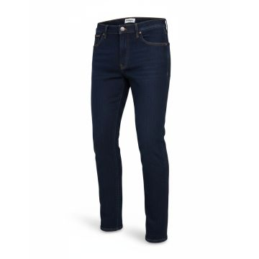 | Wrangler | Men | Clothing | Denim | 80.00 | FW | 05401019118765 | 112319948 | 112319948-28_30 | LARSTON DAY DRIFTER | BLACK | BD | 100% OTHER FIBER | 28_30 |  |  | 5 | €34.00 | €170.00 | €79.95 | €399.75
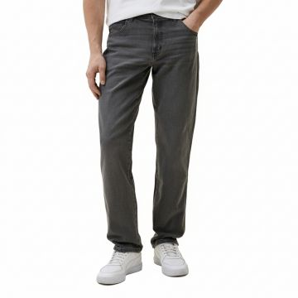 | Wrangler | Men | Clothing | Denim | 127.00 | FW | 05401018866520 | 112320056 | 112320056-38 | Wrangler Classic Straight Denim Jeans Grey |  | Bangladesh | 100% PIMA COTTON | 38 |  |  | 1 | €38.00 | €38.00 | €89.95 | €89.95
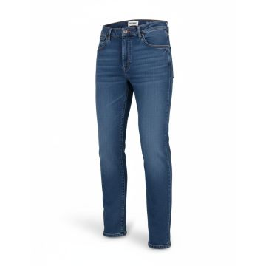 | Wrangler | Men | Clothing | Denim | 80.00 | SS | 05401019122045 | 112321661 | 112321661-28_30 | LARSTON COUNTRY BOY | Denim | BD | 100% OTHER FIBER | 28_30 |  |  | 11 | €38.00 | €418.00 | €89.95 | €989.46
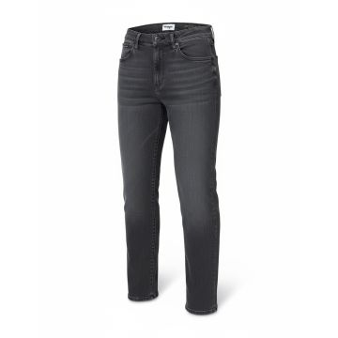 | Wrangler | Men | Clothing | Denim | 80.00 | FW | 05401019368139 | 112330748 | 112330748-28_30 | LARSTON BLACKOUT |  | BD | 88% CO 10% LYOCELL 2% EA | 28_30 |  |  | 11 | €42.00 | €462.00 | €99.95 | €1,099.45
 | Wrangler | Men | Clothing | Denim | 80.00 | FW | 05401019402819 | 112330748 | 112330748-31_36 | LARSTON BLACKOUT |  | BD | 88% CO 10% LYOCELL 2% EA | 31_36 |  |  | 2 | €42.00 | €84.00 | €99.95 | €199.90
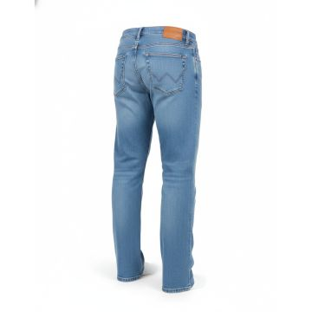 | Wrangler | Men | Clothing | Denim | 80.00 | SS | 05401019368436 | 112330749 | 112330749-28_30 | LARSTON COOL TWIST | Denim | BD | 100% OTHER FIBER | 28_30 |  |  | 5 | €38.00 | €190.00 | €89.95 | €449.75
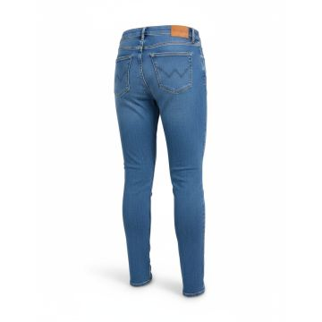 | Wrangler | Women | Clothing | Denim | 80.00 | SS | 05401019371078 | 112332349 | 112332349-25_32 | SKINNY RAVEN | Denim | BD | 100% OTHER FIBER | 25_32 |  |  | 11 | €38.00 | €418.00 | €89.95 | €989.46
 | Wrangler | Women | Clothing | Denim | 80.00 | SS | 05401019371283 | 112332349 | 112332349-26_30 | SKINNY RAVEN | Denim | BD | 100% OTHER FIBER | 26_30 |  |  | 14 | €38.00 | €532.00 | €89.95 | €1,259.31
 | Wrangler | Women | Clothing | Denim | 80.00 | SS | 05401019371436 | 112332349 | 112332349-26_32 | SKINNY RAVEN | Denim | BD | 100% OTHER FIBER | 26_32 |  |  | 10 | €38.00 | €380.00 | €89.95 | €899.51
 | Wrangler | Women | Clothing | Denim | 80.00 | SS | 05401019371481 | 112332349 | 112332349-27_30 | SKINNY RAVEN | Denim | BD | 100% OTHER FIBER | 27_30 |  |  | 26 | €38.00 | €988.00 | €89.95 | €2,338.73
 | Wrangler | Women | Clothing | Denim | 80.00 | SS | 05401019371634 | 112332349 | 112332349-27_32 | SKINNY RAVEN | Denim | BD | 100% OTHER FIBER | 27_32 |  |  | 20 | €38.00 | €760.00 | €89.95 | €1,799.02
 | Wrangler | Women | Clothing | Denim | 80.00 | SS | 05401019371696 | 112332349 | 112332349-27_34 | SKINNY RAVEN | Denim | BD | 100% OTHER FIBER | 27_34 |  |  | 9 | €38.00 | €342.00 | €89.95 | €809.56
 | Wrangler | Women | Clothing | Denim | 80.00 | SS | 05401019371931 | 112332349 | 112332349-28_30 | SKINNY RAVEN | Denim | BD | 100% OTHER FIBER | 28_30 |  |  | 18 | €38.00 | €684.00 | €89.95 | €1,619.12
 | Wrangler | Women | Clothing | Denim | 80.00 | SS | 05401019371986 | 112332349 | 112332349-28_32 | SKINNY RAVEN | Denim | BD | 100% OTHER FIBER | 28_32 |  |  | 18 | €38.00 | €684.00 | €89.95 | €1,619.12
 | Wrangler | Women | Clothing | Denim | 80.00 | SS | 05401019372013 | 112332349 | 112332349-28_34 | SKINNY RAVEN | Denim | BD | 100% OTHER FIBER | 28_34 |  |  | 7 | €38.00 | €266.00 | €89.95 | €629.66
 | Wrangler | Women | Clothing | Denim | 80.00 | SS | 05401019372044 | 112332349 | 112332349-29_30 | SKINNY RAVEN | Denim | BD | 100% OTHER FIBER | 29_30 |  |  | 16 | €38.00 | €608.00 | €89.95 | €1,439.22
 | Wrangler | Women | Clothing | Denim | 80.00 | SS | 05401019372099 | 112332349 | 112332349-29_32 | SKINNY RAVEN | Denim | BD | 100% OTHER FIBER | 29_32 |  |  | 19 | €38.00 | €722.00 | €89.95 | €1,709.07
 | Wrangler | Women | Clothing | Denim | 80.00 | SS | 05401019372341 | 112332349 | 112332349-29_34 | SKINNY RAVEN | Denim | BD | 100% OTHER FIBER | 29_34 |  |  | 9 | €38.00 | €342.00 | €89.95 | €809.56
 | Wrangler | Women | Clothing | Denim | 80.00 | SS | 05401019372396 | 112332349 | 112332349-30_30 | SKINNY RAVEN | Denim | BD | 100% OTHER FIBER | 30_30 |  |  | 7 | €38.00 | €266.00 | €89.95 | €629.66
 | Wrangler | Women | Clothing | Denim | 80.00 | SS | 05401019372624 | 112332349 | 112332349-30_32 | SKINNY RAVEN | Denim | BD | 100% OTHER FIBER | 30_32 |  |  | 19 | €38.00 | €722.00 | €89.95 | €1,709.07
 | Wrangler | Women | Clothing | Denim | 80.00 | SS | 05401019372679 | 112332349 | 112332349-30_34 | SKINNY RAVEN | Denim | BD | 100% OTHER FIBER | 30_34 |  |  | 7 | €38.00 | €266.00 | €89.95 | €629.66
 | Wrangler | Women | Clothing | Denim | 80.00 | SS | 05401019372693 | 112332349 | 112332349-31_30 | SKINNY RAVEN | Denim | BD | 100% OTHER FIBER | 31_30 |  |  | 6 | €38.00 | €228.00 | €89.95 | €539.71
 | Wrangler | Women | Clothing | Denim | 80.00 | SS | 05401019372853 | 112332349 | 112332349-31_32 | SKINNY RAVEN | Denim | BD | 100% OTHER FIBER | 31_32 |  |  | 18 | €38.00 | €684.00 | €89.95 | €1,619.12
 | Wrangler | Women | Clothing | Denim | 80.00 | SS | 05401019372891 | 112332349 | 112332349-31_34 | SKINNY RAVEN | Denim | BD | 100% OTHER FIBER | 31_34 |  |  | 9 | €38.00 | €342.00 | €89.95 | €809.56
 | Wrangler | Women | Clothing | Denim | 80.00 | SS | 05401019373089 | 112332349 | 112332349-32_32 | SKINNY RAVEN | Denim | BD | 100% OTHER FIBER | 32_32 |  |  | 14 | €38.00 | €532.00 | €89.95 | €1,259.31
 | Wrangler | Women | Clothing | Denim | 80.00 | SS | 05401019373096 | 112332349 | 112332349-32_34 | SKINNY RAVEN | Denim | BD | 100% OTHER FIBER | 32_34 |  |  | 3 | €38.00 | €114.00 | €89.95 | €269.85
 | Wrangler | Women | Clothing | Denim | 80.00 | SS | 05401019373324 | 112332349 | 112332349-33_32 | SKINNY RAVEN | Denim | BD | 100% OTHER FIBER | 33_32 |  |  | 7 | €38.00 | €266.00 | €89.95 | €629.66
 | Wrangler | Women | Clothing | Denim | 80.00 | SS | 05401019373386 | 112332349 | 112332349-34_32 | SKINNY RAVEN | Denim | BD | 100% OTHER FIBER | 34_32 |  |  | 7 | €38.00 | €266.00 | €89.95 | €629.66
 | Wrangler | Women | Clothing | Denim | 80.00 | SS | 05401019373416 | 112332349 | 112332349-34_34 | SKINNY RAVEN | Denim | BD | 100% OTHER FIBER | 34_34 |  |  | 6 | €38.00 | €228.00 | €89.95 | €539.71
 | Wrangler | Women | Clothing | Denim | 80.00 | SS | 05401019373645 | 112332349 | 112332349-36_32 | SKINNY RAVEN | Denim | BD | 100% OTHER FIBER | 36_32 |  |  | 6 | €38.00 | €228.00 | €89.95 | €539.71
 | Wrangler | Women | Clothing | Denim | 80.00 | SS | 05401019373669 | 112332349 | 112332349-36_34 | SKINNY RAVEN | Denim | BD | 100% OTHER FIBER | 36_34 |  |  | 4 | €38.00 | €152.00 | €89.95 | €359.80
 | Wrangler | Women | Clothing | Denim | 80.00 | SS | 05401019373683 | 112332349 | 112332349-38_32 | SKINNY RAVEN | Denim | BD | 100% OTHER FIBER | 38_32 |  |  | 13 | €38.00 | €494.00 | €89.95 | €1,169.36
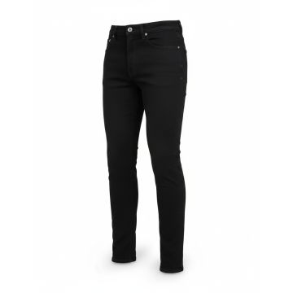 | Wrangler | Women | Clothing | Denim | 80.00 | FW | 05401019500522 | 112339506 | 112339506-27_32 | HIGH SKINNY BECK | BLACK | BD | 70% Co 28% Poly 2% Ea | 27_32 |  |  | 6 | €38.00 | €228.00 | €89.95 | €539.71
 | Wrangler | Women | Clothing | Denim | 80.00 | FW | 05401019500560 | 112339506 | 112339506-28_30 | HIGH SKINNY BECK | BLACK | BD | 70% Co 28% Poly 2% Ea | 28_30 |  |  | 3 | €38.00 | €114.00 | €89.95 | €269.85
 | Wrangler | Women | Clothing | Denim | 80.00 | FW | 05401019500836 | 112339506 | 112339506-29_30 | HIGH SKINNY BECK | BLACK | BD | 70% Co 28% Poly 2% Ea | 29_30 |  |  | 9 | €38.00 | €342.00 | €89.95 | €809.56
 | Wrangler | Women | Clothing | Denim | 80.00 | FW | 05401019500850 | 112339506 | 112339506-29_32 | HIGH SKINNY BECK | BLACK | BD | 70% Co 28% Poly 2% Ea | 29_32 |  |  | 3 | €38.00 | €114.00 | €89.95 | €269.85
 | Wrangler | Women | Clothing | Denim | 80.00 | FW | 05401019500898 | 112339506 | 112339506-30_30 | HIGH SKINNY BECK | BLACK | BD | 70% Co 28% Poly 2% Ea | 30_30 |  |  | 8 | €38.00 | €304.00 | €89.95 | €719.61
 | Wrangler | Women | Clothing | Denim | 80.00 | FW | 05401019500911 | 112339506 | 112339506-30_32 | HIGH SKINNY BECK | BLACK | BD | 70% Co 28% Poly 2% Ea | 30_32 |  |  | 7 | €38.00 | €266.00 | €89.95 | €629.66
 | Wrangler | Women | Clothing | Denim | 80.00 | FW | 05401019501130 | 112339506 | 112339506-30_34 | HIGH SKINNY BECK | BLACK | BD | 70% Co 28% Poly 2% Ea | 30_34 |  |  | 2 | €38.00 | €76.00 | €89.95 | €179.90
 | Wrangler | Women | Clothing | Denim | 80.00 | FW | 05401019501154 | 112339506 | 112339506-31_30 | HIGH SKINNY BECK | BLACK | BD | 70% Co 28% Poly 2% Ea | 31_30 |  |  | 3 | €38.00 | €114.00 | €89.95 | €269.85
 | Wrangler | Women | Clothing | Denim | 80.00 | FW | 05401019501178 | 112339506 | 112339506-31_32 | HIGH SKINNY BECK | BLACK | BD | 70% Co 28% Poly 2% Ea | 31_32 |  |  | 3 | €38.00 | €114.00 | €89.95 | €269.85
 | Wrangler | Women | Clothing | Denim | 80.00 | FW | 05401019501338 | 112339506 | 112339506-32_32 | HIGH SKINNY BECK | BLACK | BD | 70% Co 28% Poly 2% Ea | 32_32 |  |  | 3 | €38.00 | €114.00 | €89.95 | €269.85
 | Wrangler | Women | Clothing | Denim | 80.00 | FW | 05401019501406 | 112339506 | 112339506-34_32 | HIGH SKINNY BECK | BLACK | BD | 70% Co 28% Poly 2% Ea | 34_32 |  |  | 2 | €38.00 | €76.00 | €89.95 | €179.90
 | Wrangler | Women | Clothing | Denim | 80.00 | FW | 05401019501444 | 112339506 | 112339506-38_32 | HIGH SKINNY BECK | BLACK | BD | 70% Co 28% Poly 2% Ea | 38_32 |  |  | 2 | €38.00 | €76.00 | €89.95 | €179.90
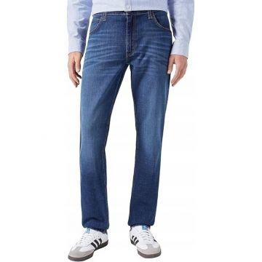 | Wrangler | Men | Clothing | Denim | 127.00 | SS | 05401019897059 | 112350902 | 112350902-38_32 | Wrangler Athletic Fit Straight Jeans Medium Blue | Denim | Bangladesh |  | 38_32 |  |  | 33 | €38.00 | €1,254.00 | €89.95 | €2,968.38
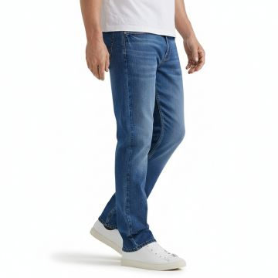 | Wrangler | Men | Clothing | Denim | 127.00 | SS | 05401019895871 | 112350903 | 112350903-32_34 | Wrangler Athletic Fit Boone Jeans Blue | Denim | Pakistan |  | 32_34 |  |  | 21 | €38.00 | €798.00 | €89.95 | €1,888.97
no photo | Wrangler | Men | Clothing | Denim | 80.00 | SS | 05401019930015 | 112351203 | 112351203-28_34 | HORIZON OLD HABITS |  | India | 69% CO 20% POLY 8% VI 3% EA | 28_34 |  |  | 2 | €38.00 | €76.00 | €89.95 | €179.90
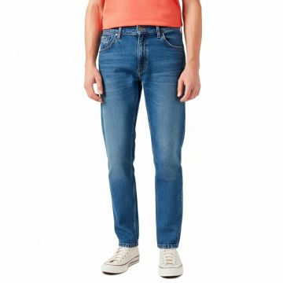 | Wrangler | Men | Clothing | Denim | 127.00 | SS | 05401019962863 | 112352672 | 112352672-36_34 | Wrangler River Classic Straight Jeans Blue | Denim | Pakistan |  | 36_34 |  |  | 38 | €38.00 | €1,444.00 | €89.95 | €3,418.14
 | Wrangler | Men | Clothing | Denim | 127.00 | SS | 05401019962887 | 112352672 | 112352672-38_34 | Wrangler River Classic Straight Jeans Blue | Denim | Pakistan |  | 38_34 |  |  | 72 | €38.00 | €2,736.00 | €89.95 | €6,476.47
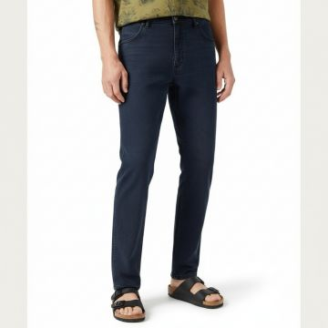 | Wrangler | Men | Clothing | Denim | 127.00 | SS | 05401019963006 | 112352674 | 112352674-38_32 | Wrangler River Cloudy Skies Straight Jeans Navy | Denim | Pakistan |  | 38_32 |  |  | 28 | €38.00 | €1,064.00 | €89.95 | €2,518.63
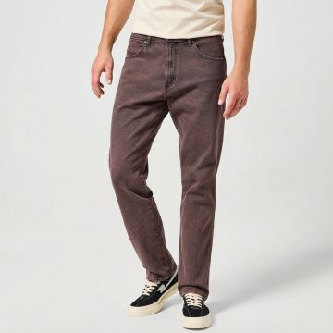 | Wrangler | Men | Clothing | Denim | 127.00 | FW | 05401139113718 | 112356825 | 112356825-33_34 | Wrangler Frontier Burgundy Straight Jeans | BROWN | Bangladesh | 100% PIMA COTTON | 33_34 |  |  | 1 | €38.00 | €38.00 | €89.95 | €89.95
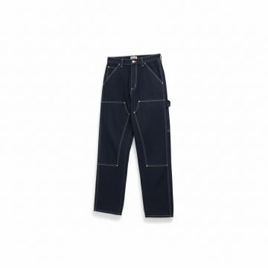 | Wrangler | Men | Clothing | Denim | 127.00 | SS | 05401139142060 | 112357438 | 112357438-38_32 | Wrangler Carpenter Denim Jeans Navy | Denim | Pakistan |  | 38_32 |  |  | 2 | €38.00 | €76.00 | €89.95 | €179.90
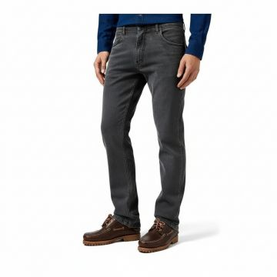 | Wrangler | Men | Clothing | Denim | 127.00 | SS | 05401139218109 | 112362438 | 112362438-32_32 | Wrangler Greensboro Whispered Wash Straight Jeans Grey | Denim | Pakistan |  | 32_32 |  |  | 1 | €38.00 | €38.00 | €89.95 | €89.95
 | Wrangler | Men | Clothing | Denim | 127.00 | SS | 05401139218420 | 112362438 | 112362438-32_34 | Wrangler Greensboro Whispered Wash Straight Jeans Grey | Denim | Pakistan |  | 32_34 |  |  | 1 | €38.00 | €38.00 | €89.95 | €89.95
 | Wrangler | Men | Clothing | Denim | 127.00 | SS | 05401139218918 | 112362438 | 112362438-33_34 | Wrangler Greensboro Whispered Wash Straight Jeans Grey | Denim | Pakistan |  | 33_34 |  |  | 1 | €38.00 | €38.00 | €89.95 | €89.95
 | Wrangler | Men | Clothing | Denim | 127.00 | SS | 05401139218970 | 112362438 | 112362438-34_32 | Wrangler Greensboro Whispered Wash Straight Jeans Grey | Denim | Pakistan |  | 34_32 |  |  | 1 | €38.00 | €38.00 | €89.95 | €89.95
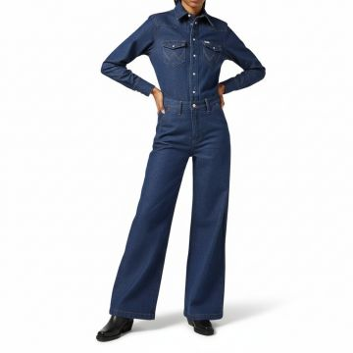 | Wrangler | Women | Clothing | Dresses | 127.00 | SS | 05401139084513 | 112356439 | 112356439-L | Wrangler Denim Wide Leg Jumpsuit Aged Blue | Denim | Pakistan |  | L |  |  | 2 | €38.00 | €76.00 | €89.95 | €179.90
 | Wrangler | Women | Clothing | Dresses | 127.00 | SS | 05401139084575 | 112356439 | 112356439-M | Wrangler Denim Wide Leg Jumpsuit Aged Blue | Denim | Pakistan |  | M |  |  | 1 | €38.00 | €38.00 | €89.95 | €89.95
 | Wrangler | Women | Clothing | Dresses | 127.00 | SS | 05401139084834 | 112356439 | 112356439-S | Wrangler Denim Wide Leg Jumpsuit Aged Blue | Denim | Pakistan |  | S |  |  | 2 | €38.00 | €76.00 | €89.95 | €179.90
 | Wrangler | Women | Clothing | Dresses | 127.00 | SS | 05401139084957 | 112356439 | 112356439-XS | Wrangler Denim Wide Leg Jumpsuit Aged Blue | Denim | Pakistan |  | XS |  |  | 3 | €38.00 | €114.00 | €89.95 | €269.85
 | Wrangler | Women | Clothing | Dresses | 127.00 | SS | 05401139085015 | 112356439 | 112356439-XXL | Wrangler Denim Wide Leg Jumpsuit Aged Blue | Denim | Pakistan |  | XXL |  |  | 1 | €38.00 | €38.00 | €89.95 | €89.95
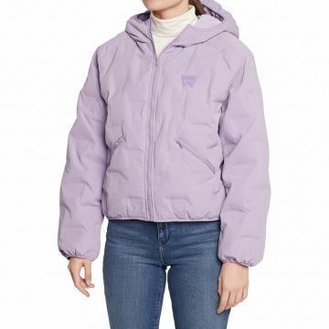 | Wrangler | Women | Clothing | Jackets | 127.00 | SS | 05401018852172 | 112319273 | 112319273-S | Wrangler Hooded Down Puffer Jacket Lavender |  | China | 100% NYLON | S |  |  | 1 | €38.00 | €38.00 | €89.95 | €89.95
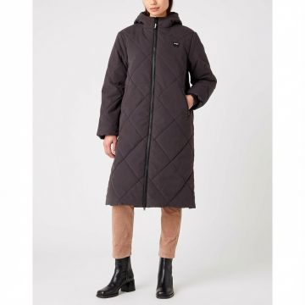 | Wrangler | Women | Clothing | Jackets | 127.00 | FW | 05401019646039 | 112342649 | 112342649-M | Wrangler Diamond Quilted Long Coat Faded Black | BROWN | China | 100% PIMA COTTON | M |  |  | 1 | €38.00 | €38.00 | €89.95 | €89.95
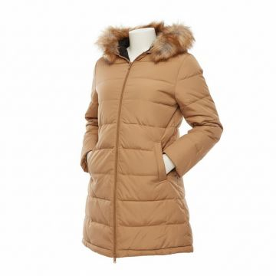 | Wrangler | Women | Clothing | Jackets | 127.00 | SS | 05401019646220 | 112342652 | 112342652-S | Wrangler Fur Trim Puffer Coat Camel | Beige | China |  | S |  |  | 1 | €38.00 | €38.00 | €89.95 | €89.95
 | Wrangler | Women | Clothing | Jackets | 127.00 | SS | 05401019646268 | 112342652 | 112342652-XS | Wrangler Fur Trim Puffer Coat Camel | Beige | China |  | XS |  |  | 1 | €38.00 | €38.00 | €89.95 | €89.95
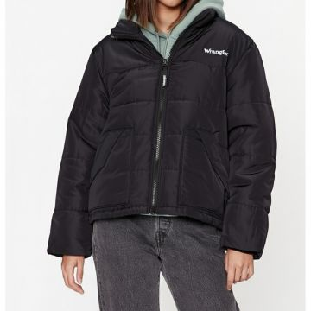 | Wrangler | Women | Clothing | Jackets | 127.00 | FW | 05401019649146 | 112342700 | 112342700-L | Wrangler Western Puffer Jacket Black | BLACK | China | 100% PIMA COTTON | L |  |  | 2 | €38.00 | €76.00 | €89.95 | €179.90
 | Wrangler | Women | Clothing | Jackets | 127.00 | FW | 05401019649160 | 112342700 | 112342700-M | Wrangler Western Puffer Jacket Black | BLACK | China | 100% PIMA COTTON | M |  |  | 3 | €38.00 | €114.00 | €89.95 | €269.85
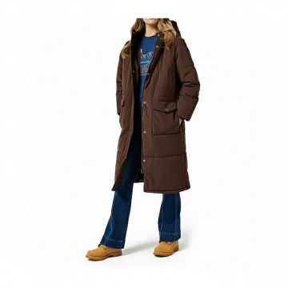 | Wrangler | Women | Clothing | Jackets | 127.00 | FW | 05401139150317 | 112358031 | 112358031-M | Wrangler Oversized Puffer Coat Mole Brown | BROWN | China | 100% PIMA COTTON | M |  |  | 1 | €38.00 | €38.00 | €89.95 | €89.95
 | Wrangler | Women | Clothing | Jackets | 127.00 | FW | 05401139150331 | 112358031 | 112358031-S | Wrangler Oversized Puffer Coat Mole Brown | BROWN | China | 100% PIMA COTTON | S |  |  | 6 | €38.00 | €228.00 | €89.95 | €539.71
 | Wrangler | Women | Clothing | Jackets | 127.00 | FW | 05401139150355 | 112358031 | 112358031-XL | Wrangler Oversized Puffer Coat Mole Brown | BROWN | China | 100% PIMA COTTON | XL |  |  | 3 | €38.00 | €114.00 | €89.95 | €269.85
 | Wrangler | Women | Clothing | Jackets | 127.00 | FW | 05401139150379 | 112358031 | 112358031-XS | Wrangler Oversized Puffer Coat Mole Brown | BROWN | China | 100% PIMA COTTON | XS |  |  | 3 | €38.00 | €114.00 | €89.95 | €269.85
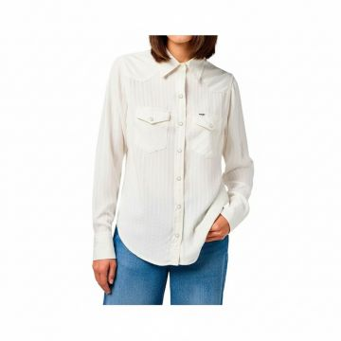 | Wrangler | Women | Clothing | Long Sleeve Shirts | 125.00 | SS | 05401019831336 | 112350290 | 112350290-XS | Wrangler Classic Western Shirt Worn White |  | India |  | XS |  |  | 1 | €31.20 | €31.20 | €75.01 | €75.01
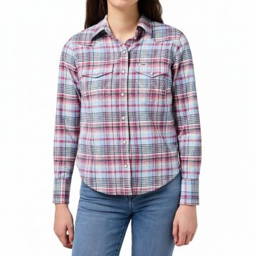 | Wrangler | Women | Clothing | Long Sleeve Shirts | 125.00 | SS | 05401019833958 | 112350328 | 112350328-XS | Wrangler Plaid Western Shirt Violet Quartz |  | India |  | XS |  |  | 1 | €31.20 | €31.20 | €75.01 | €75.01
 | Wrangler | Women | Clothing | Long Sleeve Shirts | 125.00 | SS | 05401019851525 | 112350627 | 112350627-XS | Wrangler Striped Button Down Shirt Powder Blue |  | India |  | XS |  |  | 1 | €31.20 | €31.20 | €75.01 | €75.01
 | Wrangler | Women | Clothing | Long Sleeve Shirts | 125.00 | SS | 05401139028173 | 112355408 | 112355408-L | Wrangler Striped Button-Up Shirt Pink |  | India |  | L |  |  | 3 | €31.20 | €93.60 | €75.01 | €225.02
 | Wrangler | Women | Clothing | Long Sleeve Shirts | 125.00 | SS | 05401139028531 | 112355408 | 112355408-S | Wrangler Striped Button-Up Shirt Pink |  | India |  | S |  |  | 9 | €31.20 | €280.80 | €75.01 | €675.05
 | Wrangler | Women | Clothing | Long Sleeve Shirts | 125.00 | SS | 05401139028586 | 112355408 | 112355408-XS | Wrangler Striped Button-Up Shirt Pink |  | India |  | XS |  |  | 2 | €31.20 | €62.40 | €75.01 | €150.01
 | Wrangler | Women | Clothing | Long Sleeve Shirts | 125.00 | SS | 05401139086999 | 112356476 | 112356476-XL | Wrangler Exag Yoke Denim Shirt Faded Blue | Denim | Bangladesh |  | XL |  |  | 1 | €31.20 | €31.20 | €75.01 | €75.01
 | Wrangler | Women | Clothing | Long Sleeve Shirts | 125.00 | SS | 05401139087132 | 112356476 | 112356476-XS | Wrangler Exag Yoke Denim Shirt Faded Blue | Denim | Bangladesh |  | XS |  |  | 4 | €31.20 | €124.80 | €75.01 | €300.02
 | Wrangler | Women | Clothing | Long Sleeve Shirts | 125.00 | SS | 05401139087378 | 112356486 | 112356486-M | Wrangler Metallic Stripe Western Shirt Black | Denim | Bangladesh |  | M |  |  | 1 | €31.20 | €31.20 | €75.01 | €75.01
 | Wrangler | Women | Clothing | Long Sleeve Shirts | 125.00 | SS | 05401139087880 | 112356488 | 112356488-L | Wrangler Plaid Western Shirt Navy |  | India |  | L |  |  | 1 | €31.20 | €31.20 | €75.01 | €75.01
 | Wrangler | Women | Clothing | Long Sleeve Shirts | 125.00 | SS | 05401139088146 | 112356488 | 112356488-S | Wrangler Plaid Western Shirt Navy |  | India |  | S |  |  | 2 | €31.20 | €62.40 | €75.01 | €150.01
 | Wrangler | Women | Clothing | Long Sleeve Shirts | 125.00 | SS | 05401139088207 | 112356488 | 112356488-XS | Wrangler Plaid Western Shirt Navy |  | India |  | XS |  |  | 1 | €31.20 | €31.20 | €75.01 | €75.01
 | Wrangler | Women | Clothing | Long Sleeve Shirts | 125.00 | SS | 05401139099524 | 112356731 | 112356731-L | Wrangler Cool Girl Oversized White Shirt |  | India |  | L |  |  | 1 | €31.20 | €31.20 | €75.01 | €75.01
 | Wrangler | Women | Clothing | Long Sleeve Shirts | 125.00 | SS | 05401139099531 | 112356731 | 112356731-M | Wrangler Cool Girl Oversized White Shirt |  | India |  | M |  |  | 2 | €31.20 | €62.40 | €75.01 | €150.01
 | Wrangler | Women | Clothing | Long Sleeve Shirts | 125.00 | SS | 05401139099548 | 112356731 | 112356731-S | Wrangler Cool Girl Oversized White Shirt |  | India |  | S |  |  | 1 | €31.20 | €31.20 | €75.01 | €75.01
 | Wrangler | Women | Clothing | Long Sleeve Shirts | 125.00 | SS | 05401139099555 | 112356731 | 112356731-XL | Wrangler Cool Girl Oversized White Shirt |  | India |  | XL |  |  | 1 | €31.20 | €31.20 | €75.01 | €75.01
 | Wrangler | Women | Clothing | Long Sleeve Shirts | 125.00 | SS | 05401139099562 | 112356731 | 112356731-XS | Wrangler Cool Girl Oversized White Shirt |  | India |  | XS |  |  | 1 | €31.20 | €31.20 | €75.01 | €75.01
 | Wrangler | Women | Clothing | Long Sleeve Shirts | 125.00 | SS | 05401139103658 | 112356733 | 112356733-S | Wrangler Striped Button-Down Shirt Worn White |  | India |  | S |  |  | 3 | €31.20 | €93.60 | €75.01 | €225.02
 | Wrangler | Women | Clothing | Long Sleeve Shirts | 125.00 | SS | 05401139103696 | 112356733 | 112356733-XS | Wrangler Striped Button-Down Shirt Worn White |  | India |  | XS |  |  | 1 | €31.20 | €31.20 | €75.01 | €75.01
 | Wrangler | Women | Clothing | Long Sleeve Shirts | 125.00 | SS | 05401139241770 | 112362595 | 112362595-XS | Wrangler Pacific Gingham Western Shirt Blue |  | India |  | XS |  |  | 1 | €31.20 | €31.20 | €75.01 | €75.01
 | Wrangler | Women | Clothing | Long Sleeve Shirts | 125.00 | SS | 05401139241879 | 112362596 | 112362596-L | Wrangler Striped Button-Up Shirt Niagara Mist |  | Bangladesh |  | L |  |  | 3 | €31.20 | €93.60 | €75.01 | €225.02
 | Wrangler | Women | Clothing | Long Sleeve Shirts | 125.00 | SS | 05401139241909 | 112362596 | 112362596-M | Wrangler Striped Button-Up Shirt Niagara Mist |  | Bangladesh |  | M |  |  | 5 | €31.20 | €156.00 | €75.01 | €375.03
 | Wrangler | Women | Clothing | Overalls | 127.00 | SS | 05401139026001 | 112355307 | 112355307-XXL | Wrangler Essential Flare Denim Overalls Blue | Denim | Pakistan |  | XXL |  |  | 11 | €38.00 | €418.00 | €89.95 | €989.46
 | Wrangler | Women | Clothing | Overalls | 127.00 | FW | 05401139084100 | 112356437 | 112356437-L | Wrangler Corduroy Bib Overalls Brown | BROWN | Bangladesh | 100% PIMA COTTON | L |  |  | 2 | €38.00 | €76.00 | €89.95 | €179.90
 | Wrangler | Women | Clothing | Overalls | 127.00 | FW | 05401139084261 | 112356437 | 112356437-S | Wrangler Corduroy Bib Overalls Brown | BROWN | Bangladesh | 100% PIMA COTTON | S |  |  | 13 | €38.00 | €494.00 | €89.95 | €1,169.36
 | Wrangler | Women | Clothing | Overalls | 127.00 | FW | 05401139084285 | 112356437 | 112356437-XL | Wrangler Corduroy Bib Overalls Brown | BROWN | Bangladesh | 100% PIMA COTTON | XL |  |  | 2 | €38.00 | €76.00 | €89.95 | €179.90
 | Wrangler | Women | Clothing | Overalls | 127.00 | FW | 05401139084308 | 112356437 | 112356437-XS | Wrangler Corduroy Bib Overalls Brown | BROWN | Bangladesh | 100% PIMA COTTON | XS |  |  | 8 | €38.00 | €304.00 | €89.95 | €719.61
 | Wrangler | Women | Clothing | Overalls | 127.00 | FW | 05401139084711 | 112356437 | 112356437-XXL | Wrangler Corduroy Bib Overalls Brown | BROWN | Bangladesh | 100% PIMA COTTON | XXL |  |  | 6 | €38.00 | €228.00 | €89.95 | €539.71
 | Wrangler | Women | Clothing | Pants | 80.00 | SS | 05401018033342 | 112141683 | 112141683-L | CARGO LEGGING DEEP DEPTHS |  | BD | 80% Poly 20% Ea | L |  |  | 175 | €25.00 | €4,375.00 | €59.95 | €10,491.25
 | Wrangler | Women | Clothing | Pants | 80.00 | SS | 05401018033359 | 112141683 | 112141683-M | CARGO LEGGING DEEP DEPTHS |  | BD | 80% Poly 20% Ea | M |  |  | 33 | €25.00 | €825.00 | €59.95 | €1,978.35
 | Wrangler | Women | Clothing | Pants | 80.00 | SS | 05401018033366 | 112141683 | 112141683-S | CARGO LEGGING DEEP DEPTHS |  | BD | 80% Poly 20% Ea | S |  |  | 225 | €25.00 | €5,625.00 | €59.95 | €13,488.75
 | Wrangler | Women | Clothing | Pants | 80.00 | SS | 05401018033373 | 112141683 | 112141683-XL | CARGO LEGGING DEEP DEPTHS |  | BD | 80% Poly 20% Ea | XL |  |  | 197 | €25.00 | €4,925.00 | €59.95 | €11,810.15
 | Wrangler | Women | Clothing | Pants | 80.00 | SS | 05401018046052 | 112141683 | 112141683-XS | CARGO LEGGING DEEP DEPTHS |  | BD | 80% Poly 20% Ea | XS |  |  | 144 | €25.00 | €3,600.00 | €59.95 | €8,632.80
 | Wrangler | Women | Clothing | Pants | 80.00 | SS | 05401018033380 | 112141683 | 112141683-XXL | CARGO LEGGING DEEP DEPTHS |  | BD | 80% Poly 20% Ea | XXL |  |  | 54 | €25.00 | €1,350.00 | €59.95 | €3,237.30
 | Wrangler | Women | Clothing | Pants | 80.00 | FW | 05401018033397 | 112141684 | 112141684-L | CARGO LEGGING BLACK | BLACK | BD | 80% Poly 20% Ea | L |  |  | 56 | €25.00 | €1,400.00 | €59.95 | €3,357.20
 | Wrangler | Women | Clothing | Pants | 80.00 | FW | 05401018033403 | 112141684 | 112141684-M | CARGO LEGGING BLACK | BLACK | BD | 80% Poly 20% Ea | M |  |  | 13 | €25.00 | €325.00 | €59.95 | €779.35
 | Wrangler | Women | Clothing | Pants | 80.00 | FW | 05401018033410 | 112141684 | 112141684-S | CARGO LEGGING BLACK | BLACK | BD | 80% Poly 20% Ea | S |  |  | 30 | €25.00 | €750.00 | €59.95 | €1,798.50
 | Wrangler | Women | Clothing | Pants | 80.00 | FW | 05401018033427 | 112141684 | 112141684-XL | CARGO LEGGING BLACK | BLACK | BD | 80% Poly 20% Ea | XL |  |  | 49 | €25.00 | €1,225.00 | €59.95 | €2,937.55
 | Wrangler | Women | Clothing | Pants | 80.00 | FW | 05401018046069 | 112141684 | 112141684-XS | CARGO LEGGING BLACK | BLACK | BD | 80% Poly 20% Ea | XS |  |  | 36 | €25.00 | €900.00 | €59.95 | €2,158.20
 | Wrangler | Women | Clothing | Pants | 80.00 | FW | 05401018033434 | 112141684 | 112141684-XXL | CARGO LEGGING BLACK | BLACK | BD | 80% Poly 20% Ea | XXL |  |  | 26 | €25.00 | €650.00 | €59.95 | €1,558.70
 | Wrangler | Women | Clothing | Pants | 80.00 | FW | 05401018033298 | 112141685 | 112141685-L | CARGO LEGGING DEEP DEPTHS |  | BD | 80% Poly 20% Ea | L |  |  | 33 | €25.00 | €825.00 | €59.95 | €1,978.35
 | Wrangler | Women | Clothing | Pants | 80.00 | FW | 05401018033304 | 112141685 | 112141685-M | CARGO LEGGING DEEP DEPTHS |  | BD | 80% Poly 20% Ea | M |  |  | 20 | €25.00 | €500.00 | €59.95 | €1,199.00
 | Wrangler | Women | Clothing | Pants | 80.00 | FW | 05401018033311 | 112141685 | 112141685-S | CARGO LEGGING DEEP DEPTHS |  | BD | 80% Poly 20% Ea | S |  |  | 49 | €25.00 | €1,225.00 | €59.95 | €2,937.55
 | Wrangler | Women | Clothing | Pants | 80.00 | FW | 05401018033328 | 112141685 | 112141685-XL | CARGO LEGGING DEEP DEPTHS |  | BD | 80% Poly 20% Ea | XL |  |  | 40 | €25.00 | €1,000.00 | €59.95 | €2,398.00
 | Wrangler | Women | Clothing | Pants | 80.00 | FW | 05401018046045 | 112141685 | 112141685-XS | CARGO LEGGING DEEP DEPTHS |  | BD | 80% Poly 20% Ea | XS |  |  | 33 | €25.00 | €825.00 | €59.95 | €1,978.35
 | Wrangler | Women | Clothing | Short Sleeve Blouses | 125.00 | SS | 05401019648224 | 112342675 | 112342675-L | Wrangler Embroidered Western Blouse Worn White |  | India |  | L |  |  | 9 | €31.20 | €280.80 | €75.01 | €675.05
 | Wrangler | Women | Clothing | Short Sleeve Blouses | 125.00 | SS | 05401019648262 | 112342675 | 112342675-M | Wrangler Embroidered Western Blouse Worn White |  | India |  | M |  |  | 11 | €31.20 | €343.20 | €75.01 | €825.07
 | Wrangler | Women | Clothing | Short Sleeve Blouses | 125.00 | SS | 05401019648309 | 112342675 | 112342675-S | Wrangler Embroidered Western Blouse Worn White |  | India |  | S |  |  | 16 | €31.20 | €499.20 | €75.01 | €1,200.10
 | Wrangler | Women | Clothing | Short Sleeve Blouses | 125.00 | SS | 05401019648484 | 112342675 | 112342675-XS | Wrangler Embroidered Western Blouse Worn White |  | India |  | XS |  |  | 2 | €31.20 | €62.40 | €75.01 | €150.01
 | Wrangler | Women | Clothing | Short Sleeve Blouses | 125.00 | SS | 05401019828794 | 112350291 | 112350291-L | Wrangler Pintuck Detail White Blouse |  | India |  | L |  |  | 8 | €31.20 | €249.60 | €75.01 | €600.05
 | Wrangler | Women | Clothing | Short Sleeve Blouses | 125.00 | SS | 05401019828817 | 112350291 | 112350291-M | Wrangler Pintuck Detail White Blouse |  | India |  | M |  |  | 2 | €31.20 | €62.40 | €75.01 | €150.01
 | Wrangler | Women | Clothing | Short Sleeve Blouses | 125.00 | SS | 05401019830483 | 112350291 | 112350291-XL | Wrangler Pintuck Detail White Blouse |  | India |  | XL |  |  | 1 | €31.20 | €31.20 | €75.01 | €75.01
 | Wrangler | Women | Clothing | Short Sleeve Blouses | 125.00 | SS | 05401019833224 | 112350325 | 112350325-S | Wrangler Pintuck Plaid Blouse Violet |  | India |  | S |  |  | 5 | €31.20 | €156.00 | €75.01 | €375.03
 | Wrangler | Women | Clothing | Short Sleeve Blouses | 125.00 | SS | 05401019951751 | 112352274 | 112352274-S | Wrangler Poet Sleeve Cotton Blouse White |  | India |  | S |  |  | 2 | €31.20 | €62.40 | €75.01 | €150.01
 | Wrangler | Women | Clothing | Short Sleeve Blouses | 125.00 | SS | 05401019951782 | 112352274 | 112352274-XS | Wrangler Poet Sleeve Cotton Blouse White |  | India |  | XS |  |  | 2 | €31.20 | €62.40 | €75.01 | €150.01
 | Wrangler | Women | Clothing | Short Sleeve Blouses | 125.00 | SS | 05401139073661 | 112355913 | 112355913-L | Wrangler Textured Button-Up Blouse Dijon | Denim | Bangladesh |  | L |  |  | 7 | €31.20 | €218.40 | €75.01 | €525.04
 | Wrangler | Women | Clothing | Short Sleeve Blouses | 125.00 | SS | 05401139073692 | 112355913 | 112355913-M | Wrangler Textured Button-Up Blouse Dijon | Denim | Bangladesh |  | M |  |  | 11 | €31.20 | €343.20 | €75.01 | €825.07
 | Wrangler | Women | Clothing | Short Sleeve Blouses | 125.00 | SS | 05401139073937 | 112355913 | 112355913-S | Wrangler Textured Button-Up Blouse Dijon | Denim | Bangladesh |  | S |  |  | 13 | €31.20 | €405.60 | €75.01 | €975.08
 | Wrangler | Women | Clothing | Short Sleeve Blouses | 125.00 | SS | 05401139073951 | 112355913 | 112355913-XL | Wrangler Textured Button-Up Blouse Dijon | Denim | Bangladesh |  | XL |  |  | 4 | €31.20 | €124.80 | €75.01 | €300.02
 | Wrangler | Women | Clothing | Short Sleeve Blouses | 125.00 | SS | 05401139073982 | 112355913 | 112355913-XS | Wrangler Textured Button-Up Blouse Dijon | Denim | Bangladesh |  | XS |  |  | 6 | €31.20 | €187.20 | €75.01 | €450.04
 | Wrangler | Women | Clothing | Short Sleeve Blouses | 125.00 | FW | 05401139074279 | 112355914 | 112355914-L | Wrangler Professional Button-Up Blouse Black | BLACK | Bangladesh | 100% PIMA COTTON | L |  |  | 3 | €31.20 | €93.60 | €75.01 | €225.02
 | Wrangler | Women | Clothing | Short Sleeve Blouses | 125.00 | FW | 05401139074293 | 112355914 | 112355914-M | Wrangler Professional Button-Up Blouse Black | BLACK | Bangladesh | 100% PIMA COTTON | M |  |  | 5 | €31.20 | €156.00 | €75.01 | €375.03
 | Wrangler | Women | Clothing | Short Sleeve Blouses | 125.00 | FW | 05401139074422 | 112355914 | 112355914-S | Wrangler Professional Button-Up Blouse Black | BLACK | Bangladesh | 100% PIMA COTTON | S |  |  | 6 | €31.20 | €187.20 | €75.01 | €450.04
 | Wrangler | Women | Clothing | Short Sleeve Blouses | 125.00 | FW | 05401139074453 | 112355914 | 112355914-XL | Wrangler Professional Button-Up Blouse Black | BLACK | Bangladesh | 100% PIMA COTTON | XL |  |  | 1 | €31.20 | €31.20 | €75.01 | €75.01
 | Wrangler | Women | Clothing | Short Sleeve Blouses | 125.00 | FW | 05401139074484 | 112355914 | 112355914-XS | Wrangler Professional Button-Up Blouse Black | BLACK | Bangladesh | 100% PIMA COTTON | XS |  |  | 2 | €31.20 | €62.40 | €75.01 | €150.01
 | Wrangler | Men | Clothing | Short Sleeve T-shirts | 125.00 | FW | 05400919888426 | 112131578 | 112131578-XXL | Wrangler Essential Cotton T-Shirt Black | BLACK | Pakistan | 100% PIMA COTTON | XXL |  |  | 2 | €31.20 | €62.40 | €75.01 | €150.01
 | Wrangler | Men | Clothing | Short Sleeve T-shirts | 125.00 | FW | 05401018961133 | 112321465 | 112321465-L | Wrangler Classic Crew Neck Tee Grey Melange |  | Bangladesh | 100% PIMA COTTON | L |  |  | 3 | €31.20 | €93.60 | €75.01 | €225.02
 | Wrangler | Men | Clothing | Short Sleeve T-shirts | 125.00 | FW | 05401018961171 | 112321465 | 112321465-M | Wrangler Classic Crew Neck Tee Grey Melange |  | Bangladesh | 100% PIMA COTTON | M |  |  | 2 | €31.20 | €62.40 | €75.01 | €150.01
 | Wrangler | Men | Clothing | Short Sleeve T-shirts | 125.00 | FW | 05401018961447 | 112321465 | 112321465-XL | Wrangler Classic Crew Neck Tee Grey Melange |  | Bangladesh | 100% PIMA COTTON | XL |  |  | 3 | €31.20 | €93.60 | €75.01 | €225.02
no photo | Wrangler | Men | Clothing | Short Sleeve T-shirts | 125.00 | SS | 05401019267753 | 112331921 | 112331921-3XL | CASEY JONES POCKET TEE WORNWHITE |  | Bangladesh |  | 3XL |  |  | 1 | €31.20 | €31.20 | €75.01 | €75.01
 | Wrangler | Men | Clothing | Short Sleeve T-shirts | 125.00 | SS | 05401139001084 | 112355047 | 112355047-M | Wrangler Eagle Globe Navy T-Shirt | Denim | Bangladesh |  | M |  |  | 1 | €31.20 | €31.20 | €75.01 | €75.01
 | Wrangler | Men | Clothing | Short Sleeve T-shirts | 125.00 | FW | 05401139133594 | 112357357 | 112357357-XL | Wrangler Essential Crew Neck T-Shirt Mole | BROWN | India | 100% PIMA COTTON | XL |  |  | 1 | €31.20 | €31.20 | €75.01 | €75.01
 | Wrangler | Men | Clothing | Short Sleeve T-shirts | 125.00 | SS | 05401139262119 | 112362791 | 112362791-3XL | Wrangler Ride of Life Graphic Tee Vintage White |  | Pakistan | 100% PIMA COTTON | 3XL |  |  | 1 | €31.20 | €31.20 | €75.01 | €75.01
 | Wrangler | Men | Clothing | Short Sleeve T-shirts | 125.00 | FW | 05401139264410 | 112362816 | 112362816-L | Wrangler Faded Black Graphic Tee | BLACK | Bangladesh | 100% PIMA COTTON | L |  |  | 1 | €31.20 | €31.20 | €75.01 | €75.01
 | Wrangler | Men | Clothing | Short Sleeve T-shirts | 125.00 | FW | 05401139264458 | 112362816 | 112362816-M | Wrangler Faded Black Graphic Tee | BLACK | Bangladesh | 100% PIMA COTTON | M |  |  | 1 | €31.20 | €31.20 | €75.01 | €75.01
 | Wrangler | Women | Clothing | Skirts | 127.00 | FW | 05401139084810 | 112356436 | 112356436-L | Wrangler Cognac Corduroy Maxi Skirt | BROWN | Bangladesh | 100% PIMA COTTON | L |  |  | 6 | €38.00 | €228.00 | €89.95 | €539.71
 | Wrangler | Women | Clothing | Skirts | 127.00 | FW | 05401139084872 | 112356436 | 112356436-M | Wrangler Cognac Corduroy Maxi Skirt | BROWN | Bangladesh | 100% PIMA COTTON | M |  |  | 5 | €38.00 | €190.00 | €89.95 | €449.75
 | Wrangler | Women | Clothing | Skirts | 127.00 | FW | 05401139084933 | 112356436 | 112356436-S | Wrangler Cognac Corduroy Maxi Skirt | BROWN | Bangladesh | 100% PIMA COTTON | S |  |  | 15 | €38.00 | €570.00 | €89.95 | €1,349.26
 | Wrangler | Women | Clothing | Skirts | 127.00 | FW | 05401139084995 | 112356436 | 112356436-XL | Wrangler Cognac Corduroy Maxi Skirt | BROWN | Bangladesh | 100% PIMA COTTON | XL |  |  | 1 | €38.00 | €38.00 | €89.95 | €89.95
 | Wrangler | Women | Clothing | Skirts | 127.00 | FW | 05401139085046 | 112356436 | 112356436-XS | Wrangler Cognac Corduroy Maxi Skirt | BROWN | Bangladesh | 100% PIMA COTTON | XS |  |  | 14 | €38.00 | €532.00 | €89.95 | €1,259.31

